Test 11.3.3_a
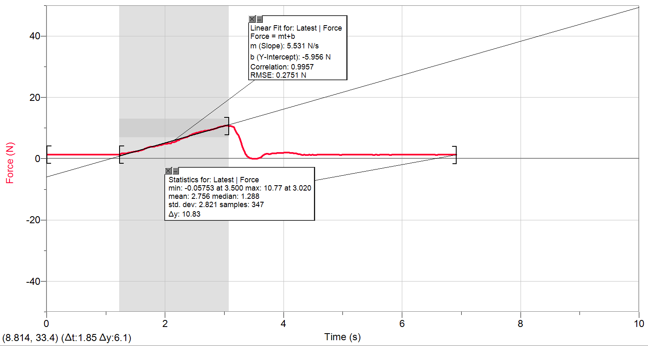
0 | 1.3512732612
0.02 | 1.2880208171
0.04 | 1.2880208171
0.06 | 1.2880208171
0.08 | 1.2880208171
0.1 | 1.2573529654
0.12 | 1.2573529654
0.14 | 1.2880208171
0.16 | 1.2880208171
0.18 | 1.2573529654
0.2 | 1.2880208171
0.22 | 1.2880208171
0.24 | 1.2880208171
0.26 | 1.2880208171
0.28 | 1.2880208171
0.3 | 1.2880208171
0.32 | 1.2880208171
0.34 | 1.2880208171
0.36 | 1.2880208171
0.38 | 1.2573529654
0.4 | 1.2880208171
0.42 | 1.2880208171
0.44 | 1.2573529654
0.46 | 1.2880208171
0.48 | 1.2880208171
0.5 | 1.2880208171
0.52 | 1.2880208171
0.54 | 1.2880208171
0.56 | 1.2880208171
0.58 | 1.2573529654
0.6 | 1.2880208171
0.62 | 1.2573529654
0.64 | 1.2573529654
0.66 | 1.2573529654
0.68 | 1.2880208171
0.7 | 1.2880208171
0.72 | 1.2880208171
0.74 | 1.2880208171
0.76 | 1.2880208171
0.78 | 1.2880208171
0.8 | 1.2880208171
0.82 | 1.2880208171
0.84 | 1.2880208171
0.86 | 1.2880208171
0.88 | 1.2573529654
0.9 | 1.2880208171
0.92 | 1.2880208171
0.94 | 1.2573529654
0.96 | 1.2880208171
0.98 | 1.2880208171
1 | 1.2880208171
1.02 | 1.2880208171
1.04 | 1.2880208171
1.06 | 1.2880208171
1.08 | 1.2880208171
1.1 | 1.2880208171
1.12 | 1.2880208171
1.14 | 1.2880208171
1.16 | 1.2573529654
1.18 | 1.2880208171
1.2 | 1.2880208171
1.22 | 1.2880208171
1.24 | 1.3819411129
1.26 | 1.6330341485
1.28 | 1.7576222959
1.3 | 1.6943698518
1.32 | 1.6943698518
1.34 | 1.6943698518
1.36 | 1.7576222959
1.38 | 1.8822104434
1.4 | 2.0087153315
1.42 | 2.0393831832
1.44 | 2.0700510349
1.46 | 2.1639713307
1.48 | 2.2578916265
1.5 | 2.2904762189
1.52 | 2.3211440705
1.54 | 2.4150643663
1.56 | 2.5722371062
1.58 | 2.6661574019
1.6 | 2.7907455494
1.62 | 2.9153336968
1.64 | 3.0725064367
1.66 | 3.2603470282
1.68 | 3.4175197681
1.7 | 3.6053603596
1.72 | 3.7606163587
1.74 | 3.7932009511
1.76 | 3.8545366545
1.78 | 3.8545366545
1.8 | 3.8871212469
1.82 | 3.9484569503
1.84 | 4.042377246
1.86 | 4.1362975418
1.88 | 4.2608856892
1.9 | 4.354805985
1.92 | 4.4180584291
1.94 | 4.5119787248
1.96 | 4.6365668723
1.98 | 4.7630717605
2 | 4.7937396122
2.02 | 4.8244074638
2.04 | 4.8569920562
2.06 | 4.8876599079
2.08 | 4.950912352
2.1 | 5.0755004995
2.12 | 5.263341091
2.14 | 5.3572613868
2.16 | 5.4511816825
2.18 | 5.6390222741
2.2 | 5.7961950139
2.22 | 5.951451013
2.24 | 6.171876197
2.26 | 6.3903846402
2.28 | 6.5149727876
2.3 | 6.6721455275
2.32 | 6.7967336749
2.34 | 6.8906539707
2.36 | 6.9845742665
2.38 | 7.1417470063
2.4 | 7.3295875979
2.42 | 7.5480960411
2.44 | 7.768521225
2.46 | 7.9563618166
2.48 | 8.1442024081
2.5 | 8.2687905555
2.52 | 8.3627108513
2.54 | 8.4259632954
2.56 | 8.5198835912
2.58 | 8.6444717386
2.6 | 8.769059886
2.62 | 8.8629801818
2.64 | 8.9875683293
2.66 | 9.081488625
2.68 | 9.1140732174
2.7 | 9.1447410691
2.72 | 9.1754089208
2.74 | 9.2386613649
2.76 | 9.3958341047
2.78 | 9.4571698081
2.8 | 9.5510901039
2.82 | 9.6450103996
2.84 | 9.8021831395
2.86 | 9.9267712869
2.88 | 10.083944027
2.9 | 10.271784618
2.92 | 10.30245247
2.94 | 10.396372766
2.96 | 10.490293061
2.98 | 10.61679795
3 | 10.678133653
3.02 | 10.772053949
3.04 | 10.772053949
3.06 | 10.678133653
3.08 | 10.61679795
3.1 | 10.647465801
3.12 | 10.61679795
3.14 | 10.428957358
3.16 | 10.241116767
3.18 | 9.3325816606
3.2 | 8.6138038869
3.22 | 8.2055381115
3.24 | 7.5480960411
3.26 | 6.6721455275
3.28 | 5.4511816825
3.3 | 4.1688821342
3.32 | 3.0092539926
3.34 | 2.1965559231
3.36 | 1.5391138527
3.38 | 1.0369277815
3.4 | 0.63057874673
3.42 | 0.28556541534
3.44 | 0.097724823805
3.46 | 0.003804528038
3.48 | -0.026863323641
3.5 | -0.05753117532
3.52 | -0.026863323641
3.54 | -0.026863323641
3.56 | 0.003804528038
3.58 | 0.13030941621
3.6 | 0.28556541534
3.62 | 0.44273815519
3.64 | 0.75516689417
3.66 | 1.1308480772
3.68 | 1.445193557
3.7 | 1.5391138527
3.72 | 1.5391138527
3.74 | 1.5065292603
3.76 | 1.4758614086
3.78 | 1.5391138527
3.8 | 1.6330341485
3.82 | 1.6330341485
3.84 | 1.6330341485
3.86 | 1.6637020002
3.88 | 1.7576222959
3.9 | 1.7882901476
3.92 | 1.7576222959
3.94 | 1.7882901476
3.96 | 1.7882901476
3.98 | 1.82087474
4 | 1.8822104434
4.02 | 1.9454628875
4.04 | 1.9454628875
4.06 | 1.9454628875
4.08 | 1.9147950358
4.1 | 1.8822104434
4.12 | 1.7576222959
4.14 | 1.7576222959
4.16 | 1.7576222959
4.18 | 1.7269544442
4.2 | 1.7269544442
4.22 | 1.6637020002
4.24 | 1.6004495561
4.26 | 1.4758614086
4.28 | 1.4126089645
4.3 | 1.2880208171
4.32 | 1.1941005213
4.34 | 1.2573529654
4.36 | 1.2573529654
4.38 | 1.1941005213
4.4 | 1.1941005213
4.42 | 1.2880208171
4.44 | 1.2573529654
4.46 | 1.1941005213
4.48 | 1.224768373
4.5 | 1.2573529654
4.52 | 1.1941005213
4.54 | 1.1941005213
4.56 | 1.2573529654
4.58 | 1.2573529654
4.6 | 1.2573529654
4.62 | 1.2573529654
4.64 | 1.2573529654
4.66 | 1.2573529654
4.68 | 1.224768373
4.7 | 1.2573529654
4.72 | 1.2573529654
4.74 | 1.2573529654
4.76 | 1.2573529654
4.78 | 1.2573529654
4.8 | 1.2573529654
4.82 | 1.2573529654
4.84 | 1.2573529654
4.86 | 1.2573529654
4.88 | 1.2573529654
4.9 | 1.2573529654
4.92 | 1.2573529654
4.94 | 1.2573529654
4.96 | 1.1941005213
4.98 | 1.2573529654
5 | 1.2573529654
5.02 | 1.2573529654
5.04 | 1.2573529654
5.06 | 1.2573529654
5.08 | 1.224768373
5.1 | 1.224768373
5.12 | 1.2573529654
5.14 | 1.224768373
5.16 | 1.224768373
5.18 | 1.224768373
5.2 | 1.224768373
5.22 | 1.224768373
5.24 | 1.224768373
5.26 | 1.224768373
5.28 | 1.224768373
5.3 | 1.224768373
5.32 | 1.2573529654
5.34 | 1.224768373
5.36 | 1.224768373
5.38 | 1.224768373
5.4 | 1.2573529654
5.42 | 1.224768373
5.44 | 1.2573529654
5.46 | 1.2573529654
5.48 | 1.2573529654
5.5 | 1.224768373
5.52 | 1.1941005213
5.54 | 1.224768373
5.56 | 1.224768373
5.58 | 1.224768373
5.6 | 1.1941005213
5.62 | 1.2573529654
5.64 | 1.2573529654
5.66 | 1.2573529654
5.68 | 1.2573529654
5.7 | 1.2573529654
5.72 | 1.2573529654
5.74 | 1.2573529654
5.76 | 1.2573529654
5.78 | 1.2573529654
5.8 | 1.1941005213
5.82 | 1.2573529654
5.84 | 1.224768373
5.86 | 1.2573529654
5.88 | 1.224768373
5.9 | 1.2573529654
5.92 | 1.2573529654
5.94 | 1.224768373
5.96 | 1.2573529654
5.98 | 1.2573529654
6 | 1.2573529654
6.02 | 1.224768373
6.04 | 1.2573529654
6.06 | 1.2573529654
6.08 | 1.224768373
6.1 | 1.2573529654
6.12 | 1.2573529654
6.14 | 1.2573529654
6.16 | 1.224768373
6.18 | 1.2573529654
6.2 | 1.2573529654
6.22 | 1.2573529654
6.24 | 1.2573529654
6.26 | 1.2573529654
6.28 | 1.2573529654
6.3 | 1.2573529654
6.32 | 1.2573529654
6.34 | 1.2573529654
6.36 | 1.224768373
6.38 | 1.224768373
6.4 | 1.224768373
6.42 | 1.2573529654
6.44 | 1.224768373
6.46 | 1.224768373
6.48 | 1.224768373
6.5 | 1.224768373
6.52 | 1.2573529654
6.54 | 1.224768373
6.56 | 1.224768373
6.58 | 1.1941005213
6.6 | 1.2573529654
6.62 | 1.2573529654
6.64 | 1.224768373
6.66 | 1.224768373
6.68 | 1.224768373
6.7 | 1.2573529654
6.72 | 1.224768373
6.74 | 1.2573529654
6.76 | 1.2573529654
6.78 | 1.224768373
6.8 | 1.2573529654
6.82 | 1.2573529654
6.84 | 1.224768373
6.86 | 1.2573529654
6.88 | 1.2573529654
6.9 | 1.224768373
6.92 | 1.224768373

Test 11.3.3_b
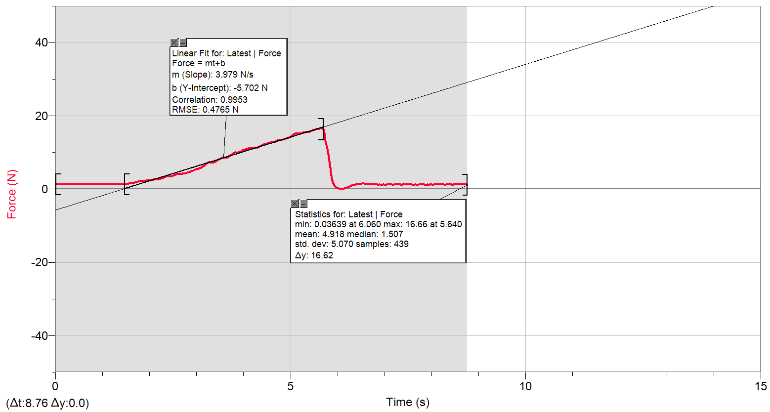
0 | 1.3186886688
0.02 | 1.2880208171
0.04 | 1.2880208171
0.06 | 1.2880208171
0.08 | 1.2880208171
0.1 | 1.2880208171
0.12 | 1.2880208171
0.14 | 1.2573529654
0.16 | 1.2880208171
0.18 | 1.2880208171
0.2 | 1.2880208171
0.22 | 1.2880208171
0.24 | 1.2880208171
0.26 | 1.2880208171
0.28 | 1.2880208171
0.3 | 1.2573529654
0.32 | 1.2880208171
0.34 | 1.2880208171
0.36 | 1.2880208171
0.38 | 1.2880208171
0.4 | 1.2880208171
0.42 | 1.2880208171
0.44 | 1.2880208171
0.46 | 1.2880208171
0.48 | 1.2880208171
0.5 | 1.2880208171
0.52 | 1.2573529654
0.54 | 1.2880208171
0.56 | 1.2880208171
0.58 | 1.2880208171
0.6 | 1.2880208171
0.62 | 1.2880208171
0.64 | 1.2880208171
0.66 | 1.2880208171
0.68 | 1.2880208171
0.7 | 1.2880208171
0.72 | 1.2880208171
0.74 | 1.2573529654
0.76 | 1.2573529654
0.78 | 1.2880208171
0.8 | 1.2880208171
0.82 | 1.2880208171
0.84 | 1.2880208171
0.86 | 1.2880208171
0.88 | 1.2880208171
0.9 | 1.2880208171
0.92 | 1.2880208171
0.94 | 1.2880208171
0.96 | 1.2880208171
0.98 | 1.2880208171
1 | 1.2880208171
1.02 | 1.2880208171
1.04 | 1.2880208171
1.06 | 1.2880208171
1.08 | 1.2880208171
1.1 | 1.2880208171
1.12 | 1.2573529654
1.14 | 1.2880208171
1.16 | 1.2880208171
1.18 | 1.3186886688
1.2 | 1.2880208171
1.22 | 1.2880208171
1.24 | 1.2880208171
1.26 | 1.2880208171
1.28 | 1.2573529654
1.3 | 1.2880208171
1.32 | 1.2880208171
1.34 | 1.2573529654
1.36 | 1.2880208171
1.38 | 1.3186886688
1.4 | 1.3186886688
1.42 | 1.3186886688
1.44 | 1.3186886688
1.46 | 1.3512732612
1.48 | 1.3512732612
1.5 | 1.2880208171
1.52 | 1.3512732612
1.54 | 1.4126089645
1.56 | 1.5065292603
1.58 | 1.5065292603
1.6 | 1.5697817044
1.62 | 1.6637020002
1.64 | 1.6943698518
1.66 | 1.6943698518
1.68 | 1.7576222959
1.7 | 1.82087474
1.72 | 1.8515425917
1.74 | 1.9147950358
1.76 | 2.0393831832
1.78 | 2.1639713307
1.8 | 2.2578916265
1.82 | 2.2578916265
1.84 | 2.2578916265
1.86 | 2.2272237748
1.88 | 2.2578916265
1.9 | 2.2578916265
1.92 | 2.2904762189
1.94 | 2.2904762189
1.96 | 2.3211440705
1.98 | 2.3518119222
2 | 2.4150643663
2.02 | 2.4783168104
2.04 | 2.5089846621
2.06 | 2.5396525138
2.08 | 2.5722371062
2.1 | 2.6029049578
2.12 | 2.6661574019
2.14 | 2.6661574019
2.16 | 2.6661574019
2.18 | 2.6661574019
2.2 | 2.6968252536
2.22 | 2.7600776977
2.24 | 2.8539979935
2.26 | 2.9479182892
2.28 | 3.041838585
2.3 | 3.1664267324
2.32 | 3.2910148799
2.34 | 3.4175197681
2.36 | 3.4788554714
2.38 | 3.5114400638
2.4 | 3.5421079155
2.42 | 3.4788554714
2.44 | 3.4481876197
2.46 | 3.4175197681
2.48 | 3.5421079155
2.5 | 3.6992806554
2.52 | 3.7932009511
2.54 | 3.8871212469
2.56 | 3.9484569503
2.58 | 4.042377246
2.6 | 4.0749618384
2.62 | 4.0749618384
2.64 | 4.1056296901
2.66 | 4.1362975418
2.68 | 4.1688821342
2.7 | 4.1995499859
2.72 | 4.2608856892
2.74 | 4.2608856892
2.76 | 4.2934702816
2.78 | 4.354805985
2.8 | 4.4813108732
2.82 | 4.5752311689
2.84 | 4.6365668723
2.86 | 4.6998193164
2.88 | 4.8569920562
2.9 | 4.950912352
2.92 | 5.0448326478
2.94 | 5.1387529436
2.96 | 5.263341091
2.98 | 5.3265935351
3 | 5.3879292384
3.02 | 5.4511816825
3.04 | 5.57576983
3.06 | 5.6696901257
3.08 | 5.7636104215
3.1 | 5.8901153097
3.12 | 6.1086237529
3.14 | 6.2657964927
3.16 | 6.4210524919
3.18 | 6.6414776758
3.2 | 6.859986119
3.22 | 7.0478267106
3.24 | 7.172414858
3.26 | 7.2989197462
3.28 | 7.3602554495
3.3 | 7.2663351538
3.32 | 7.172414858
3.34 | 7.1417470063
3.36 | 7.2049994504
3.38 | 7.2989197462
3.4 | 7.4541757453
3.42 | 7.6113484852
3.44 | 7.8298569284
3.46 | 7.9563618166
3.48 | 8.1116178157
3.5 | 8.2994584072
3.52 | 8.4259632954
3.54 | 8.5505514428
3.56 | 8.6444717386
3.58 | 8.6138038869
3.6 | 8.5505514428
3.62 | 8.5505514428
3.64 | 8.6138038869
3.66 | 8.7077241827
3.68 | 8.8629801818
3.7 | 9.0508207734
3.72 | 9.1754089208
3.74 | 9.301913809
3.76 | 9.5510901039
3.78 | 9.7082628437
3.8 | 9.8654355836
3.82 | 10.020691583
3.84 | 10.053276175
3.86 | 9.9593558793
3.88 | 9.9593558793
3.9 | 10.114611878
3.92 | 10.177864323
3.94 | 10.271784618
3.96 | 10.365704914
3.98 | 10.522877654
4 | 10.647465801
4.02 | 10.772053949
4.04 | 10.865974245
4.06 | 10.898558837
4.08 | 11.023146985
4.1 | 11.053814836
4.12 | 11.053814836
4.14 | 11.147735132
4.16 | 11.147735132
4.18 | 11.180319724
4.2 | 11.180319724
4.22 | 11.210987576
4.24 | 11.241655428
4.26 | 11.27424002
4.28 | 11.304907872
4.3 | 11.429496019
4.32 | 11.492748463
4.34 | 11.617336611
4.36 | 11.774509351
4.38 | 11.93168209
4.4 | 12.056270238
4.42 | 12.150190534
4.44 | 12.150190534
4.46 | 12.244110829
4.48 | 12.338031125
4.5 | 12.431951421
4.52 | 12.495203865
4.54 | 12.650459864
4.56 | 12.683044457
4.58 | 12.683044457
4.6 | 12.683044457
4.62 | 12.713712308
4.64 | 12.776964752
4.66 | 12.870885048
4.68 | 12.964805344
4.7 | 13.089393491
4.72 | 13.213981639
4.74 | 13.307901935
4.76 | 13.40182223
4.78 | 13.465074674
4.8 | 13.465074674
4.82 | 13.465074674
4.84 | 13.495742526
4.86 | 13.55899497
4.88 | 13.683583118
4.9 | 13.808171265
4.92 | 13.808171265
4.94 | 13.902091561
4.96 | 14.059264301
4.98 | 14.122516745
5 | 14.247104892
5.02 | 14.465613335
5.04 | 14.747374223
5.06 | 14.873879111
5.08 | 14.967799407
5.1 | 15.123055406
5.12 | 15.18630785
5.14 | 15.216975702
5.16 | 15.18630785
5.18 | 15.18630785
5.2 | 15.216975702
5.22 | 15.216975702
5.24 | 15.310895997
5.26 | 15.374148441
5.28 | 15.437400886
5.3 | 15.468068737
5.32 | 15.531321181
5.34 | 15.498736589
5.36 | 15.561989033
5.38 | 15.625241477
5.4 | 15.719161773
5.42 | 15.719161773
5.44 | 15.780497476
5.46 | 15.907002364
5.48 | 16.062258363
5.5 | 16.125510808
5.52 | 16.219431103
5.54 | 16.344019251
5.56 | 16.437939547
5.58 | 16.470524139
5.6 | 16.437939547
5.62 | 16.625780138
5.64 | 16.658364731
5.66 | 16.625780138
5.68 | 16.531859842
5.7 | 16.313351399
5.72 | 15.310895997
5.74 | 13.183313787
5.76 | 12.08693809
5.78 | 11.023146985
5.8 | 9.5510901039
5.82 | 7.6420163369
5.84 | 5.9207831614
5.86 | 4.5119787248
5.88 | 2.9479182892
5.9 | 1.7576222959
5.92 | 1.2880208171
5.94 | 0.91233963403
5.96 | 0.59991089505
5.98 | 0.37948571111
6 | 0.19164511957
6.02 | 0.13030941621
6.04 | 0.097724823805
6.06 | 0.036389120447
6.08 | 0.036389120447
6.1 | 0.036389120447
6.12 | 0.097724823805
6.14 | 0.16097726789
6.16 | 0.22422971198
6.18 | 0.31815000775
6.2 | 0.41207030352
6.22 | 0.53665845096
6.24 | 0.66124659841
6.26 | 0.78775148658
6.28 | 0.88167178235
6.3 | 0.94300748571
6.32 | 1.0369277815
6.34 | 1.1001802256
6.36 | 1.1941005213
6.38 | 1.2573529654
6.4 | 1.2880208171
6.42 | 1.3186886688
6.44 | 1.3186886688
6.46 | 1.3819411129
6.48 | 1.4126089645
6.5 | 1.4758614086
6.52 | 1.5065292603
6.54 | 1.5391138527
6.56 | 1.5065292603
6.58 | 1.4126089645
6.6 | 1.3186886688
6.62 | 1.2573529654
6.64 | 1.2880208171
6.66 | 1.2880208171
6.68 | 1.2573529654
6.7 | 1.2573529654
6.72 | 1.2573529654
6.74 | 1.224768373
6.76 | 1.2573529654
6.78 | 1.224768373
6.8 | 1.2573529654
6.82 | 1.2573529654
6.84 | 1.2573529654
6.86 | 1.1941005213
6.88 | 1.2573529654
6.9 | 1.2573529654
6.92 | 1.1941005213
6.94 | 1.1941005213
6.96 | 1.2573529654
6.98 | 1.224768373
7 | 1.1941005213
7.02 | 1.1941005213
7.04 | 1.224768373
7.06 | 1.224768373
7.08 | 1.224768373
7.1 | 1.2573529654
7.12 | 1.224768373
7.14 | 1.224768373
7.16 | 1.224768373
7.18 | 1.1941005213
7.2 | 1.224768373
7.22 | 1.2573529654
7.24 | 1.224768373
7.26 | 1.2573529654
7.28 | 1.2573529654
7.3 | 1.224768373
7.32 | 1.2573529654
7.34 | 1.2573529654
7.36 | 1.1941005213
7.38 | 1.2573529654
7.4 | 1.2573529654
7.42 | 1.224768373
7.44 | 1.224768373
7.46 | 1.2573529654
7.48 | 1.2573529654
7.5 | 1.224768373
7.52 | 1.2573529654
7.54 | 1.2573529654
7.56 | 1.224768373
7.58 | 1.2573529654
7.6 | 1.1941005213
7.62 | 1.1941005213
7.64 | 1.224768373
7.66 | 1.224768373
7.68 | 1.1941005213
7.7 | 1.1941005213
7.72 | 1.2573529654
7.74 | 1.224768373
7.76 | 1.224768373
7.78 | 1.2573529654
7.8 | 1.2573529654
7.82 | 1.224768373
7.84 | 1.224768373
7.86 | 1.1941005213
7.88 | 1.1941005213
7.9 | 1.2880208171
7.92 | 1.2880208171
7.94 | 1.1941005213
7.96 | 1.2573529654
7.98 | 1.2573529654
8 | 1.2573529654
8.02 | 1.1941005213
8.04 | 1.2573529654
8.06 | 1.2573529654
8.08 | 1.224768373
8.1 | 1.2573529654
8.12 | 1.2573529654
8.14 | 1.224768373
8.16 | 1.2573529654
8.18 | 1.2573529654
8.2 | 1.224768373
8.22 | 1.2573529654
8.24 | 1.2573529654
8.26 | 1.2573529654
8.28 | 1.1941005213
8.3 | 1.224768373
8.32 | 1.224768373
8.34 | 1.224768373
8.36 | 1.224768373
8.38 | 1.2573529654
8.4 | 1.2573529654
8.42 | 1.224768373
8.44 | 1.1941005213
8.46 | 1.224768373
8.48 | 1.2573529654
8.5 | 1.224768373
8.52 | 1.2573529654
8.54 | 1.2573529654
8.56 | 1.224768373
8.58 | 1.2573529654
8.6 | 1.2573529654
8.62 | 1.224768373
8.64 | 1.224768373
8.66 | 1.2573529654
8.68 | 1.224768373
8.7 | 1.2573529654
8.72 | 1.2573529654
8.74 | 1.2573529654
8.76 | 1.1941005213

10.1.9
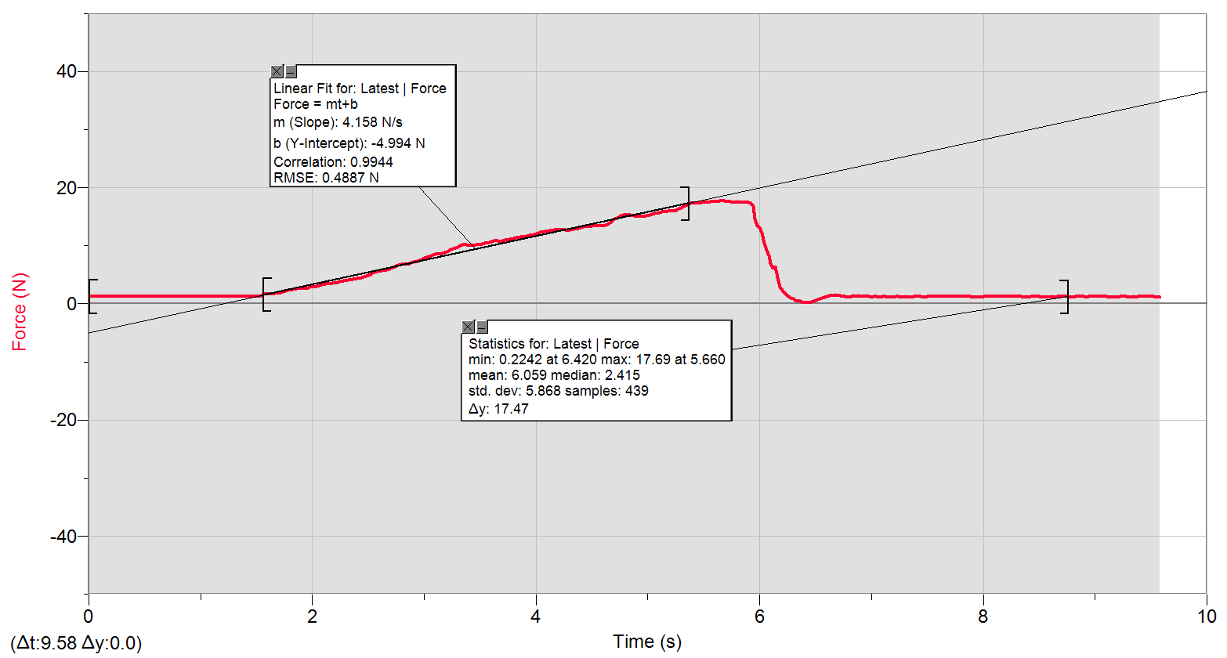
0 | 1.2880208171
0.02 | 1.2880208171
0.04 | 1.2880208171
0.06 | 1.2573529654
0.08 | 1.2880208171
0.1 | 1.2880208171
0.12 | 1.2573529654
0.14 | 1.2880208171
0.16 | 1.2880208171
0.18 | 1.2880208171
0.2 | 1.2880208171
0.22 | 1.2573529654
0.24 | 1.2573529654
0.26 | 1.2880208171
0.28 | 1.2880208171
0.3 | 1.2880208171
0.32 | 1.2880208171
0.34 | 1.2880208171
0.36 | 1.2573529654
0.38 | 1.2573529654
0.4 | 1.2573529654
0.42 | 1.2573529654
0.44 | 1.2573529654
0.46 | 1.2573529654
0.48 | 1.2573529654
0.5 | 1.2880208171
0.52 | 1.2880208171
0.54 | 1.2880208171
0.56 | 1.2880208171
0.58 | 1.2880208171
0.6 | 1.2573529654
0.62 | 1.2880208171
0.64 | 1.2573529654
0.66 | 1.2573529654
0.68 | 1.2573529654
0.7 | 1.2573529654
0.72 | 1.2573529654
0.74 | 1.2573529654
0.76 | 1.2573529654
0.78 | 1.2573529654
0.8 | 1.2573529654
0.82 | 1.2573529654
0.84 | 1.2573529654
0.86 | 1.2573529654
0.88 | 1.2880208171
0.9 | 1.2880208171
0.92 | 1.2573529654
0.94 | 1.2573529654
0.96 | 1.2880208171
0.98 | 1.2880208171
1 | 1.2573529654
1.02 | 1.2880208171
1.04 | 1.2880208171
1.06 | 1.2573529654
1.08 | 1.2573529654
1.1 | 1.2573529654
1.12 | 1.2573529654
1.14 | 1.2573529654
1.16 | 1.2573529654
1.18 | 1.2573529654
1.2 | 1.2880208171
1.22 | 1.2573529654
1.24 | 1.2573529654
1.26 | 1.2573529654
1.28 | 1.2880208171
1.3 | 1.2880208171
1.32 | 1.2880208171
1.34 | 1.2880208171
1.36 | 1.2880208171
1.38 | 1.3186886688
1.4 | 1.2880208171
1.42 | 1.2880208171
1.44 | 1.2880208171
1.46 | 1.2880208171
1.48 | 1.2573529654
1.5 | 1.2573529654
1.52 | 1.2573529654
1.54 | 1.4126089645
1.56 | 1.6330341485
1.58 | 1.7269544442
1.6 | 1.7269544442
1.62 | 1.6637020002
1.64 | 1.7269544442
1.66 | 1.7576222959
1.68 | 1.7882901476
1.7 | 1.8515425917
1.72 | 1.9147950358
1.74 | 2.0393831832
1.76 | 2.1639713307
1.78 | 2.3211440705
1.8 | 2.4150643663
1.82 | 2.445732218
1.84 | 2.5396525138
1.86 | 2.5722371062
1.88 | 2.6029049578
1.9 | 2.6029049578
1.92 | 2.6335728095
1.94 | 2.6661574019
1.96 | 2.7600776977
1.98 | 2.8539979935
2 | 2.8846658451
2.02 | 2.9479182892
2.04 | 3.041838585
2.06 | 3.1664267324
2.08 | 3.2910148799
2.1 | 3.354267324
2.12 | 3.4175197681
2.14 | 3.4175197681
2.16 | 3.4175197681
2.18 | 3.5114400638
2.2 | 3.5727757672
2.22 | 3.6992806554
2.24 | 3.7932009511
2.26 | 3.8871212469
2.28 | 3.9177890986
2.3 | 4.0117093943
2.32 | 4.042377246
2.34 | 4.1362975418
2.36 | 4.1995499859
2.38 | 4.2608856892
2.4 | 4.354805985
2.42 | 4.4180584291
2.44 | 4.5752311689
2.46 | 4.6691514647
2.48 | 4.8244074638
2.5 | 4.950912352
2.52 | 5.1061683511
2.54 | 5.263341091
2.56 | 5.3879292384
2.58 | 5.5451019783
2.6 | 5.6390222741
2.62 | 5.6696901257
2.64 | 5.7022747181
2.66 | 5.7961950139
2.68 | 5.9207831614
2.7 | 6.0779559012
2.72 | 6.2657964927
2.74 | 6.4536370843
2.76 | 6.6088930834
2.78 | 6.6721455275
2.8 | 6.7660658233
2.82 | 6.7660658233
2.84 | 6.7660658233
2.86 | 6.859986119
2.88 | 7.0478267106
2.9 | 7.2049994504
2.92 | 7.2663351538
2.94 | 7.3602554495
2.96 | 7.4235078936
2.98 | 7.6113484852
3 | 7.8624415208
3.02 | 7.9563618166
3.04 | 8.1442024081
3.06 | 8.2687905555
3.08 | 8.4259632954
3.1 | 8.5505514428
3.12 | 8.5505514428
3.14 | 8.5505514428
3.16 | 8.6444717386
3.18 | 8.769059886
3.2 | 8.8936480335
3.22 | 9.081488625
3.24 | 9.301913809
3.26 | 9.5204222522
3.28 | 9.677594992
3.3 | 9.8328509912
3.32 | 10.020691583
3.34 | 10.147196471
3.36 | 10.208532174
3.38 | 10.147196471
3.4 | 10.053276175
3.42 | 10.020691583
3.44 | 10.053276175
3.46 | 10.114611878
3.48 | 10.147196471
3.5 | 10.208532174
3.52 | 10.30245247
3.54 | 10.428957358
3.56 | 10.490293061
3.58 | 10.553545506
3.6 | 10.678133653
3.62 | 10.804638541
3.64 | 10.835306393
3.66 | 10.804638541
3.68 | 10.772053949
3.7 | 10.865974245
3.72 | 10.929226689
3.74 | 11.023146985
3.76 | 11.086399429
3.78 | 11.147735132
3.8 | 11.210987576
3.82 | 11.335575723
3.84 | 11.429496019
3.86 | 11.462080612
3.88 | 11.556000907
3.9 | 11.586668759
3.92 | 11.680589055
3.94 | 11.743841499
3.96 | 11.837761795
3.98 | 11.962349942
4 | 12.08693809
4.02 | 12.213442978
4.04 | 12.274778681
4.06 | 12.338031125
4.08 | 12.462619273
4.1 | 12.525871717
4.12 | 12.556539568
4.14 | 12.650459864
4.16 | 12.683044457
4.18 | 12.713712308
4.2 | 12.713712308
4.22 | 12.74438016
4.24 | 12.74438016
4.26 | 12.683044457
4.28 | 12.650459864
4.3 | 12.683044457
4.32 | 12.776964752
4.34 | 12.838300456
4.36 | 12.9015529
4.38 | 12.964805344
4.4 | 13.120061343
4.42 | 13.213981639
4.44 | 13.307901935
4.46 | 13.371154379
4.48 | 13.340486527
4.5 | 13.40182223
4.52 | 13.432490082
4.54 | 13.40182223
4.56 | 13.432490082
4.58 | 13.432490082
4.6 | 13.465074674
4.62 | 13.55899497
4.64 | 13.714250969
4.66 | 13.902091561
4.68 | 14.183852448
4.7 | 14.559533631
4.72 | 14.779958815
4.74 | 14.935214814
4.76 | 15.123055406
4.78 | 15.280228146
4.8 | 15.310895997
4.82 | 15.280228146
4.84 | 15.280228146
4.86 | 15.18630785
4.88 | 15.155639998
4.9 | 15.061719702
4.92 | 15.02913511
4.94 | 15.061719702
4.96 | 15.061719702
4.98 | 15.155639998
5 | 15.216975702
5.02 | 15.280228146
5.04 | 15.437400886
5.06 | 15.531321181
5.08 | 15.625241477
5.1 | 15.655909329
5.12 | 15.780497476
5.14 | 15.813082069
5.16 | 15.874417772
5.18 | 15.907002364
5.2 | 16.00092266
5.22 | 16.031590512
5.24 | 16.031590512
5.26 | 16.219431103
5.28 | 16.376603843
5.3 | 16.531859842
5.32 | 16.719700434
5.34 | 16.970793469
5.36 | 17.221886505
5.38 | 17.283222208
5.4 | 17.283222208
5.42 | 17.252554357
5.44 | 17.283222208
5.46 | 17.377142504
5.48 | 17.4710628
5.5 | 17.4710628
5.52 | 17.534315244
5.54 | 17.503647392
5.56 | 17.534315244
5.58 | 17.534315244
5.6 | 17.564983096
5.62 | 17.62823554
5.64 | 17.658903392
5.66 | 17.691487984
5.68 | 17.691487984
5.7 | 17.62823554
5.72 | 17.62823554
5.74 | 17.564983096
5.76 | 17.4710628
5.78 | 17.4710628
5.8 | 17.534315244
5.82 | 17.4710628
5.84 | 17.440394948
5.86 | 17.409727097
5.88 | 17.440394948
5.9 | 17.409727097
5.92 | 17.283222208
5.94 | 16.846205322
5.96 | 14.592118224
5.98 | 13.371154379
6 | 13.152645935
6.02 | 12.180858385
6.04 | 10.396372766
6.06 | 9.1754089208
6.08 | 8.2994584072
6.1 | 6.9539064148
6.12 | 6.0779559012
6.14 | 6.3597167885
6.16 | 4.5426465765
6.18 | 2.9153336968
6.2 | 2.3211440705
6.22 | 1.8822104434
6.24 | 1.5391138527
6.26 | 1.2573529654
6.28 | 1.0369277815
6.3 | 0.88167178235
6.32 | 0.63057874673
6.34 | 0.50599059928
6.36 | 0.41207030352
6.38 | 0.31815000775
6.4 | 0.25489756366
6.42 | 0.22422971198
6.44 | 0.25489756366
6.46 | 0.37948571111
6.48 | 0.47340600687
6.5 | 0.63057874673
6.52 | 0.75516689417
6.54 | 0.88167178235
6.56 | 1.0062599298
6.58 | 1.1001802256
6.6 | 1.2573529654
6.62 | 1.4126089645
6.64 | 1.445193557
6.66 | 1.445193557
6.68 | 1.5065292603
6.7 | 1.4758614086
6.72 | 1.3819411129
6.74 | 1.2880208171
6.76 | 1.2573529654
6.78 | 1.1941005213
6.8 | 1.1634326696
6.82 | 1.2880208171
6.84 | 1.3819411129
6.86 | 1.2573529654
6.88 | 1.3512732612
6.9 | 1.2880208171
6.92 | 1.224768373
6.94 | 1.3186886688
6.96 | 1.3819411129
6.98 | 1.2573529654
7 | 1.1941005213
7.02 | 1.2573529654
7.04 | 1.2880208171
7.06 | 1.1941005213
7.08 | 1.1941005213
7.1 | 1.2880208171
7.12 | 1.2573529654
7.14 | 1.1941005213
7.16 | 1.1941005213
7.18 | 1.224768373
7.2 | 1.1941005213
7.22 | 1.224768373
7.24 | 1.224768373
7.26 | 1.1941005213
7.28 | 1.1941005213
7.3 | 1.2573529654
7.32 | 1.1941005213
7.34 | 1.1941005213
7.36 | 1.1941005213
7.38 | 1.224768373
7.4 | 1.2573529654
7.42 | 1.224768373
7.44 | 1.224768373
7.46 | 1.1941005213
7.48 | 1.1941005213
7.5 | 1.224768373
7.52 | 1.2573529654
7.54 | 1.224768373
7.56 | 1.2573529654
7.58 | 1.2573529654
7.6 | 1.224768373
7.62 | 1.224768373
7.64 | 1.2573529654
7.66 | 1.224768373
7.68 | 1.224768373
7.7 | 1.224768373
7.72 | 1.224768373
7.74 | 1.224768373
7.76 | 1.224768373
7.78 | 1.224768373
7.8 | 1.224768373
7.82 | 1.224768373
7.84 | 1.224768373
7.86 | 1.224768373
7.88 | 1.2573529654
7.9 | 1.1941005213
7.92 | 1.1941005213
7.94 | 1.1941005213
7.96 | 1.1941005213
7.98 | 1.1941005213
8 | 1.224768373
8.02 | 1.224768373
8.04 | 1.224768373
8.06 | 1.2573529654
8.08 | 1.224768373
8.1 | 1.224768373
8.12 | 1.224768373
8.14 | 1.2573529654
8.16 | 1.224768373
8.18 | 1.224768373
8.2 | 1.2573529654
8.22 | 1.224768373
8.24 | 1.224768373
8.26 | 1.224768373
8.28 | 1.224768373
8.3 | 1.2573529654
8.32 | 1.2573529654
8.34 | 1.224768373
8.36 | 1.1941005213
8.38 | 1.224768373
8.4 | 1.1941005213
8.42 | 1.224768373
8.44 | 1.2573529654
8.46 | 1.224768373
8.48 | 1.224768373
8.5 | 1.224768373
8.52 | 1.1941005213
8.54 | 1.1941005213
8.56 | 1.1941005213
8.58 | 1.1941005213
8.6 | 1.1941005213
8.62 | 1.224768373
8.64 | 1.1941005213
8.66 | 1.224768373
8.68 | 1.2573529654
8.7 | 1.2573529654
8.72 | 1.2573529654
8.74 | 1.2573529654
8.76 | 1.2573529654
8.78 | 1.1941005213
8.8 | 1.1941005213
8.82 | 1.2573529654
8.84 | 1.2573529654
8.86 | 1.2573529654
8.88 | 1.2573529654
8.9 | 1.224768373
8.92 | 1.1941005213
8.94 | 1.224768373
8.96 | 1.224768373
8.98 | 1.224768373
9 | 1.224768373
9.02 | 1.224768373
9.04 | 1.2573529654
9.06 | 1.224768373
9.08 | 1.2573529654
9.1 | 1.2573529654
9.12 | 1.1941005213
9.14 | 1.1941005213
9.16 | 1.1634326696
9.18 | 1.1941005213
9.2 | 1.1941005213
9.22 | 1.224768373
9.24 | 1.224768373
9.26 | 1.224768373
9.28 | 1.224768373
9.3 | 1.1941005213
9.32 | 1.1941005213
9.34 | 1.224768373
9.36 | 1.1941005213
9.38 | 1.224768373
9.4 | 1.224768373
9.42 | 1.2573529654
9.44 | 1.224768373
9.46 | 1.2573529654
9.48 | 1.2573529654
9.5 | 1.2573529654
9.52 | 1.224768373
9.54 | 1.1941005213
9.56 | 1.1941005213
9.58 | 1.1941005213

10.1.9_b
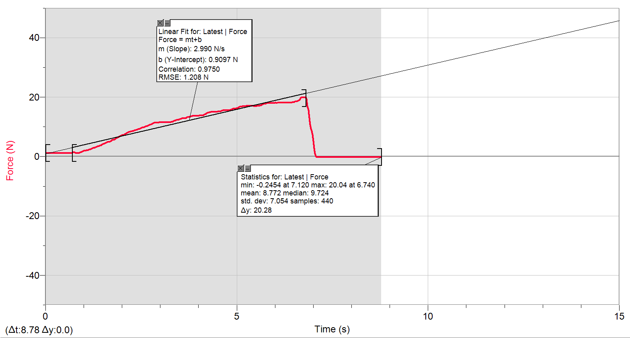
0 | 1.224768373
0.02 | 1.1634326696
0.04 | 1.1634326696
0.06 | 1.1634326696
0.08 | 1.1634326696
0.1 | 1.1634326696
0.12 | 1.1634326696
0.14 | 1.1634326696
0.16 | 1.1941005213
0.18 | 1.1634326696
0.2 | 1.1634326696
0.22 | 1.1634326696
0.24 | 1.1634326696
0.26 | 1.1634326696
0.28 | 1.1941005213
0.3 | 1.1634326696
0.32 | 1.1634326696
0.34 | 1.1634326696
0.36 | 1.1634326696
0.38 | 1.1634326696
0.4 | 1.1634326696
0.42 | 1.1634326696
0.44 | 1.1634326696
0.46 | 1.1634326696
0.48 | 1.1634326696
0.5 | 1.1634326696
0.52 | 1.1634326696
0.54 | 1.1634326696
0.56 | 1.1634326696
0.58 | 1.1634326696
0.6 | 1.1634326696
0.62 | 1.1634326696
0.64 | 1.1634326696
0.66 | 1.1634326696
0.68 | 1.1634326696
0.7 | 1.2573529654
0.72 | 1.3512732612
0.74 | 1.3819411129
0.76 | 1.3512732612
0.78 | 1.2573529654
0.8 | 1.1634326696
0.82 | 1.1634326696
0.84 | 1.1308480772
0.86 | 1.1634326696
0.88 | 1.2573529654
0.9 | 1.3512732612
0.92 | 1.445193557
0.94 | 1.5697817044
0.96 | 1.6637020002
0.98 | 1.7882901476
1 | 1.8822104434
1.02 | 1.9147950358
1.04 | 2.0087153315
1.06 | 2.0393831832
1.08 | 2.0700510349
1.1 | 2.1026356273
1.12 | 2.1965559231
1.14 | 2.2904762189
1.16 | 2.4150643663
1.18 | 2.5089846621
1.2 | 2.6335728095
1.22 | 2.7600776977
1.24 | 2.8539979935
1.26 | 2.8846658451
1.28 | 2.9479182892
1.3 | 3.1031742883
1.32 | 3.2296791765
1.34 | 3.354267324
1.36 | 3.3849351756
1.38 | 3.4481876197
1.4 | 3.6053603596
1.42 | 3.6992806554
1.44 | 3.7606163587
1.46 | 3.8871212469
1.48 | 4.042377246
1.5 | 4.1995499859
1.52 | 4.2608856892
1.54 | 4.354805985
1.56 | 4.5426465765
1.58 | 4.6691514647
1.6 | 4.7630717605
1.62 | 4.8876599079
1.64 | 4.9183277596
1.66 | 4.9815802037
1.68 | 5.0448326478
1.7 | 5.1694207952
1.72 | 5.3572613868
1.74 | 5.57576983
1.76 | 5.6696901257
1.78 | 5.6390222741
1.8 | 5.7022747181
1.82 | 5.8575307173
1.84 | 6.0779559012
1.86 | 6.2657964927
1.88 | 6.3903846402
1.9 | 6.54755738
1.92 | 6.7028133792
1.94 | 6.8293182673
1.96 | 6.9539064148
1.98 | 7.0784945622
2 | 7.2049994504
2.02 | 7.2989197462
2.04 | 7.2663351538
2.06 | 7.392840042
2.08 | 7.5806806335
2.1 | 7.768521225
2.12 | 7.9237772242
2.14 | 8.080949964
2.16 | 8.2055381115
2.18 | 8.2381227039
2.2 | 8.2994584072
2.22 | 8.3627108513
2.24 | 8.4872989987
2.26 | 8.5505514428
2.28 | 8.6138038869
2.3 | 8.6751395903
2.32 | 8.769059886
2.34 | 8.8629801818
2.36 | 8.8936480335
2.38 | 8.8936480335
2.4 | 9.0508207734
2.42 | 9.1754089208
2.44 | 9.2693292166
2.46 | 9.4265019564
2.48 | 9.5510901039
2.5 | 9.6450103996
2.52 | 9.7082628437
2.54 | 9.7389306954
2.56 | 9.8021831395
2.58 | 9.8961034352
2.6 | 9.990023731
2.62 | 10.147196471
2.64 | 10.177864323
2.66 | 10.271784618
2.68 | 10.45962521
2.7 | 10.61679795
2.72 | 10.647465801
2.74 | 10.772053949
2.76 | 10.898558837
2.78 | 10.898558837
2.8 | 11.053814836
2.82 | 11.27424002
2.84 | 11.368160316
2.86 | 11.368160316
2.88 | 11.368160316
2.9 | 11.429496019
2.92 | 11.429496019
2.94 | 11.429496019
2.96 | 11.462080612
2.98 | 11.492748463
3 | 11.523416315
3.02 | 11.556000907
3.04 | 11.556000907
3.06 | 11.556000907
3.08 | 11.586668759
3.1 | 11.617336611
3.12 | 11.556000907
3.14 | 11.556000907
3.16 | 11.556000907
3.18 | 11.492748463
3.2 | 11.523416315
3.22 | 11.492748463
3.24 | 11.492748463
3.26 | 11.556000907
3.28 | 11.617336611
3.3 | 11.617336611
3.32 | 11.711256906
3.34 | 11.868429646
3.36 | 12.025602386
3.38 | 12.056270238
3.4 | 12.056270238
3.42 | 12.274778681
3.44 | 12.274778681
3.46 | 12.274778681
3.48 | 12.307363274
3.5 | 12.556539568
3.52 | 12.650459864
3.54 | 12.776964752
3.56 | 12.870885048
3.58 | 12.870885048
3.6 | 12.870885048
3.62 | 12.9015529
3.64 | 12.9015529
3.66 | 12.932220751
3.68 | 13.05872564
3.7 | 13.213981639
3.72 | 13.277234083
3.74 | 13.277234083
3.76 | 13.371154379
3.78 | 13.465074674
3.8 | 13.495742526
3.82 | 13.526410378
3.84 | 13.652915266
3.86 | 13.714250969
3.88 | 13.714250969
3.9 | 13.746835562
3.92 | 13.683583118
3.94 | 13.714250969
3.96 | 13.714250969
3.98 | 13.746835562
4 | 13.714250969
4.02 | 13.746835562
4.04 | 13.777503413
4.06 | 13.746835562
4.08 | 13.746835562
4.1 | 13.746835562
4.12 | 13.871423709
4.14 | 14.059264301
4.16 | 14.153184596
4.18 | 14.216437041
4.2 | 14.404277632
4.22 | 14.592118224
4.24 | 14.779958815
4.26 | 14.810626667
4.28 | 14.841294518
4.3 | 14.904546963
4.32 | 15.02913511
4.34 | 15.061719702
4.36 | 15.061719702
4.38 | 15.02913511
4.4 | 14.998467258
4.42 | 14.998467258
4.44 | 14.967799407
4.46 | 15.061719702
4.48 | 15.092387554
4.5 | 15.123055406
4.52 | 15.155639998
4.54 | 15.155639998
4.56 | 15.18630785
4.58 | 15.280228146
4.6 | 15.468068737
4.62 | 15.468068737
4.64 | 15.498736589
4.66 | 15.531321181
4.68 | 15.531321181
4.7 | 15.498736589
4.72 | 15.498736589
4.74 | 15.592656885
4.76 | 15.561989033
4.78 | 15.498736589
4.8 | 15.592656885
4.82 | 15.655909329
4.84 | 15.749829625
4.86 | 15.813082069
4.88 | 15.968338068
4.9 | 16.125510808
4.92 | 16.156178659
4.94 | 16.188763252
4.96 | 16.156178659
4.98 | 16.188763252
5 | 16.188763252
5.02 | 16.188763252
5.04 | 16.313351399
5.06 | 16.689032582
5.08 | 16.846205322
5.1 | 16.876873174
5.12 | 16.846205322
5.14 | 16.907541025
5.16 | 16.970793469
5.18 | 16.940125618
5.2 | 16.876873174
5.22 | 16.940125618
5.24 | 17.001461321
5.26 | 17.064713765
5.28 | 17.034045914
5.3 | 17.001461321
5.32 | 17.001461321
5.34 | 17.001461321
5.36 | 17.001461321
5.38 | 17.034045914
5.4 | 17.064713765
5.42 | 17.064713765
5.44 | 17.001461321
5.46 | 16.970793469
5.48 | 16.970793469
5.5 | 16.970793469
5.52 | 17.001461321
5.54 | 17.001461321
5.56 | 17.034045914
5.58 | 17.064713765
5.6 | 17.158634061
5.62 | 17.158634061
5.64 | 17.252554357
5.66 | 17.4710628
5.68 | 17.62823554
5.7 | 17.658903392
5.72 | 17.691487984
5.74 | 17.78540828
5.76 | 17.879328576
5.78 | 18.034584575
5.8 | 17.940664279
5.82 | 18.003916723
5.84 | 18.034584575
5.86 | 17.97133213
5.88 | 17.97133213
5.9 | 17.97133213
5.92 | 18.003916723
5.94 | 18.034584575
5.96 | 17.97133213
5.98 | 18.003916723
6 | 18.065252426
6.02 | 18.065252426
6.04 | 17.97133213
6.06 | 18.065252426
6.08 | 18.065252426
6.1 | 18.097837019
6.12 | 18.12850487
6.14 | 18.12850487
6.16 | 18.065252426
6.18 | 18.065252426
6.2 | 18.065252426
6.22 | 18.065252426
6.24 | 18.065252426
6.26 | 18.065252426
6.28 | 18.159172722
6.3 | 18.191757314
6.32 | 18.12850487
6.34 | 18.191757314
6.36 | 18.222425166
6.38 | 18.159172722
6.4 | 18.12850487
6.42 | 18.159172722
6.44 | 18.222425166
6.46 | 18.222425166
6.48 | 18.222425166
6.5 | 18.316345462
6.52 | 18.504186053
6.54 | 18.598106349
6.56 | 18.567438497
6.58 | 18.692026645
6.6 | 18.849199385
6.62 | 18.910535088
6.64 | 19.037039976
6.66 | 19.600561751
6.68 | 19.819070194
6.7 | 19.819070194
6.72 | 19.91299049
6.74 | 20.037578637
6.76 | 19.943658342
6.78 | 19.943658342
6.8 | 20.037578637
6.82 | 19.286216271
6.84 | 17.064713765
6.86 | 16.125510808
6.88 | 15.531321181
6.9 | 13.05872564
6.92 | 10.678133653
6.94 | 9.3958341047
6.96 | 8.5505514428
6.98 | 7.3295875979
7 | 5.2326732393
7.02 | 2.7600776977
7.04 | 1.0062599298
7.06 | 0.16097726789
7.08 | -0.12078361941
7.1 | -0.21470391518
7.12 | -0.24537176685
7.14 | -0.24537176685
7.16 | -0.24537176685
7.18 | -0.21470391518
7.2 | -0.21470391518
7.22 | -0.24537176685
7.24 | -0.21470391518
7.26 | -0.21470391518
7.28 | -0.21470391518
7.3 | -0.21470391518
7.32 | -0.24537176685
7.34 | -0.21470391518
7.36 | -0.21470391518
7.38 | -0.21470391518
7.4 | -0.21470391518
7.42 | -0.21470391518
7.44 | -0.1840360635
7.46 | -0.1840360635
7.48 | -0.1840360635
7.5 | -0.21470391518
7.52 | -0.1840360635
7.54 | -0.1840360635
7.56 | -0.1840360635
7.58 | -0.21470391518
7.6 | -0.21470391518
7.62 | -0.1840360635
7.64 | -0.15145147109
7.66 | -0.21470391518
7.68 | -0.1840360635
7.7 | -0.1840360635
7.72 | -0.1840360635
7.74 | -0.21470391518
7.76 | -0.21470391518
7.78 | -0.21470391518
7.8 | -0.1840360635
7.82 | -0.21470391518
7.84 | -0.21470391518
7.86 | -0.1840360635
7.88 | -0.1840360635
7.9 | -0.1840360635
7.92 | -0.15145147109
7.94 | -0.15145147109
7.96 | -0.12078361941
7.98 | -0.15145147109
8 | -0.1840360635
8.02 | -0.15145147109
8.04 | -0.1840360635
8.06 | -0.21470391518
8.08 | -0.21470391518
8.1 | -0.21470391518
8.12 | -0.21470391518
8.14 | -0.15145147109
8.16 | -0.21470391518
8.18 | -0.15145147109
8.2 | -0.15145147109
8.22 | -0.15145147109
8.24 | -0.1840360635
8.26 | -0.1840360635
8.28 | -0.1840360635
8.3 | -0.1840360635
8.32 | -0.21470391518
8.34 | -0.1840360635
8.36 | -0.1840360635
8.38 | -0.1840360635
8.4 | -0.21470391518
8.42 | -0.1840360635
8.44 | -0.1840360635
8.46 | -0.15145147109
8.48 | -0.1840360635
8.5 | -0.1840360635
8.52 | -0.15145147109
8.54 | -0.1840360635
8.56 | -0.1840360635
8.58 | -0.21470391518
8.6 | -0.21470391518
8.62 | -0.1840360635
8.64 | -0.21470391518
8.66 | -0.1840360635
8.68 | -0.1840360635
8.7 | -0.21470391518
8.72 | -0.1840360635
8.74 | -0.1840360635
8.76 | -0.1840360635
8.78 | -0.1840360635

10.2.12
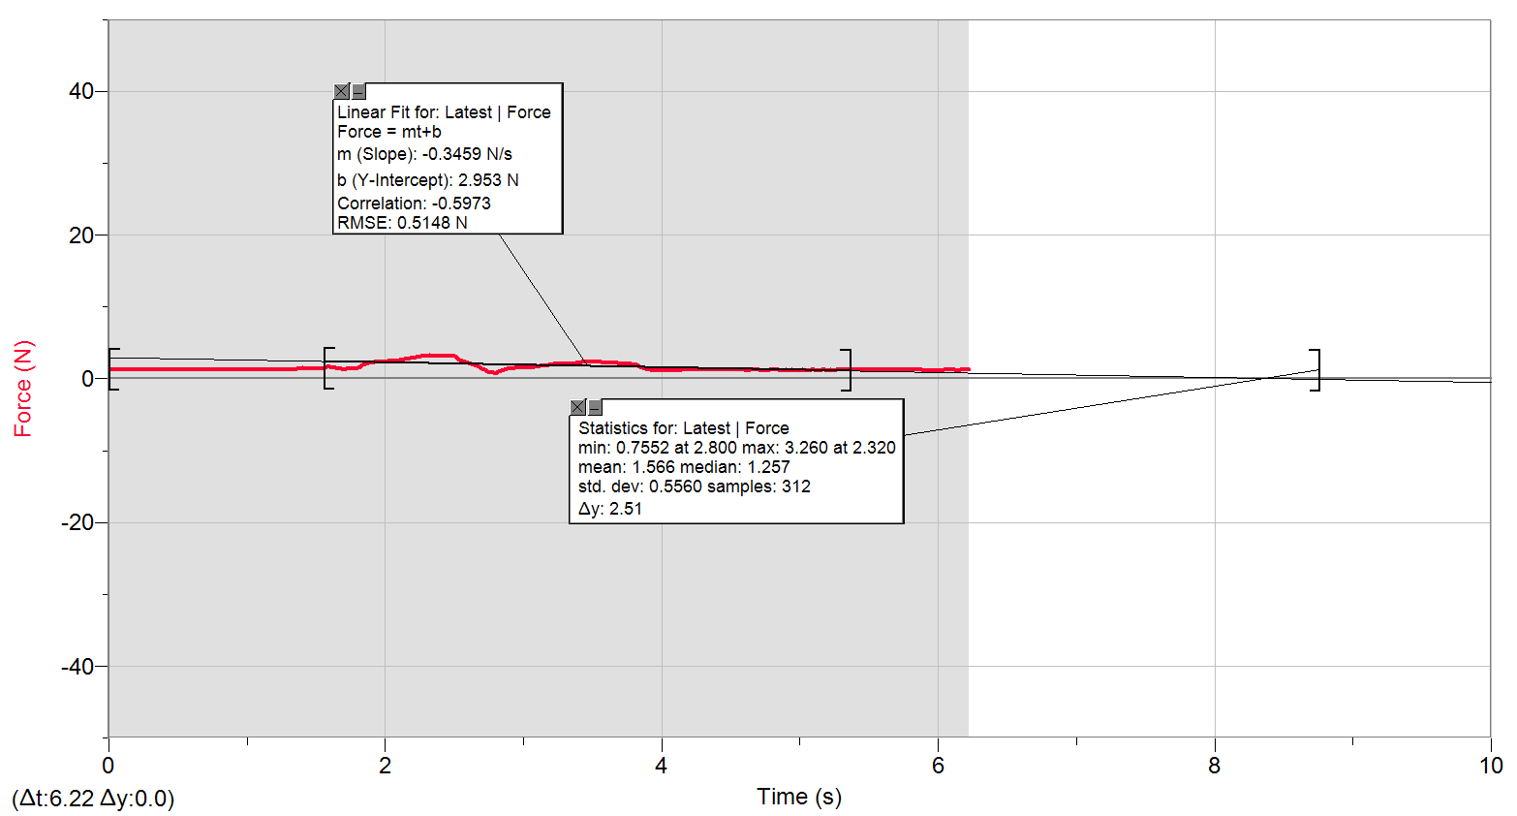
0 | 1.3512732612
0.02 | 1.2880208171
0.04 | 1.2573529654
0.06 | 1.2573529654
0.08 | 1.2573529654
0.1 | 1.2880208171
0.12 | 1.2880208171
0.14 | 1.2573529654
0.16 | 1.2573529654
0.18 | 1.2573529654
0.2 | 1.2573529654
0.22 | 1.2573529654
0.24 | 1.2573529654
0.26 | 1.2573529654
0.28 | 1.2573529654
0.3 | 1.2573529654
0.32 | 1.2573529654
0.34 | 1.2573529654
0.36 | 1.2573529654
0.38 | 1.2573529654
0.4 | 1.2573529654
0.42 | 1.2573529654
0.44 | 1.2573529654
0.46 | 1.2573529654
0.48 | 1.2573529654
0.5 | 1.2573529654
0.52 | 1.2573529654
0.54 | 1.2573529654
0.56 | 1.2573529654
0.58 | 1.2573529654
0.6 | 1.2573529654
0.62 | 1.224768373
0.64 | 1.2573529654
0.66 | 1.2573529654
0.68 | 1.2573529654
0.7 | 1.2573529654
0.72 | 1.2573529654
0.74 | 1.2573529654
0.76 | 1.2573529654
0.78 | 1.2573529654
0.8 | 1.2573529654
0.82 | 1.2573529654
0.84 | 1.2573529654
0.86 | 1.2573529654
0.88 | 1.2573529654
0.9 | 1.2573529654
0.92 | 1.2573529654
0.94 | 1.2573529654
0.96 | 1.2573529654
0.98 | 1.2573529654
1 | 1.2573529654
1.02 | 1.2573529654
1.04 | 1.2573529654
1.06 | 1.2573529654
1.08 | 1.2573529654
1.1 | 1.2573529654
1.12 | 1.2573529654
1.14 | 1.2573529654
1.16 | 1.224768373
1.18 | 1.2573529654
1.2 | 1.2573529654
1.22 | 1.2573529654
1.24 | 1.2573529654
1.26 | 1.2573529654
1.28 | 1.2573529654
1.3 | 1.2573529654
1.32 | 1.2573529654
1.34 | 1.2573529654
1.36 | 1.3819411129
1.38 | 1.445193557
1.4 | 1.5065292603
1.42 | 1.445193557
1.44 | 1.4126089645
1.46 | 1.4126089645
1.48 | 1.445193557
1.5 | 1.445193557
1.52 | 1.4758614086
1.54 | 1.4758614086
1.56 | 1.5391138527
1.58 | 1.6330341485
1.6 | 1.6330341485
1.62 | 1.5391138527
1.64 | 1.5391138527
1.66 | 1.4758614086
1.68 | 1.3819411129
1.7 | 1.3186886688
1.72 | 1.3512732612
1.74 | 1.4126089645
1.76 | 1.445193557
1.78 | 1.4758614086
1.8 | 1.5391138527
1.82 | 1.7269544442
1.84 | 1.8822104434
1.86 | 2.0393831832
1.88 | 2.1639713307
1.9 | 2.2578916265
1.92 | 2.3211440705
1.94 | 2.3843965146
1.96 | 2.3843965146
1.98 | 2.4150643663
2 | 2.4150643663
2.02 | 2.445732218
2.04 | 2.5089846621
2.06 | 2.5396525138
2.08 | 2.5396525138
2.1 | 2.6335728095
2.12 | 2.6661574019
2.14 | 2.7274931053
2.16 | 2.7907455494
2.18 | 2.8846658451
2.2 | 2.9479182892
2.22 | 3.0092539926
2.24 | 3.0725064367
2.26 | 3.1357588808
2.28 | 3.1357588808
2.3 | 3.1970945841
2.32 | 3.2603470282
2.34 | 3.2296791765
2.36 | 3.1664267324
2.38 | 3.1357588808
2.4 | 3.1357588808
2.42 | 3.1664267324
2.44 | 3.1357588808
2.46 | 3.1664267324
2.48 | 3.1664267324
2.5 | 3.1357588808
2.52 | 2.9153336968
2.54 | 2.6661574019
2.56 | 2.5089846621
2.58 | 2.3518119222
2.6 | 2.1965559231
2.62 | 2.0700510349
2.64 | 1.9147950358
2.66 | 1.7882901476
2.68 | 1.6330341485
2.7 | 1.4126089645
2.72 | 1.224768373
2.74 | 1.0369277815
2.76 | 0.91233963403
2.78 | 0.84908718994
2.8 | 0.75516689417
2.82 | 1.0369277815
2.84 | 1.1941005213
2.86 | 1.3186886688
2.88 | 1.3819411129
2.9 | 1.445193557
2.92 | 1.445193557
2.94 | 1.5065292603
2.96 | 1.5697817044
2.98 | 1.5391138527
3 | 1.5065292603
3.02 | 1.5391138527
3.04 | 1.5697817044
3.06 | 1.5391138527
3.08 | 1.6330341485
3.1 | 1.7269544442
3.12 | 1.7576222959
3.14 | 1.82087474
3.16 | 1.8515425917
3.18 | 1.9147950358
3.2 | 2.0087153315
3.22 | 2.0393831832
3.24 | 2.0700510349
3.26 | 2.0700510349
3.28 | 2.1026356273
3.3 | 2.133303479
3.32 | 2.133303479
3.34 | 2.1026356273
3.36 | 2.133303479
3.38 | 2.1965559231
3.4 | 2.2578916265
3.42 | 2.2904762189
3.44 | 2.3518119222
3.46 | 2.3518119222
3.48 | 2.3518119222
3.5 | 2.3518119222
3.52 | 2.3843965146
3.54 | 2.4150643663
3.56 | 2.3518119222
3.58 | 2.2578916265
3.6 | 2.1965559231
3.62 | 2.2578916265
3.64 | 2.2578916265
3.66 | 2.2578916265
3.68 | 2.1639713307
3.7 | 2.1026356273
3.72 | 2.0700510349
3.74 | 2.1026356273
3.76 | 2.1026356273
3.78 | 2.0393831832
3.8 | 2.0087153315
3.82 | 1.9147950358
3.84 | 1.6943698518
3.86 | 1.5065292603
3.88 | 1.3819411129
3.9 | 1.2880208171
3.92 | 1.2573529654
3.94 | 1.1941005213
3.96 | 1.1634326696
3.98 | 1.1634326696
4 | 1.1941005213
4.02 | 1.224768373
4.04 | 1.1634326696
4.06 | 1.1941005213
4.08 | 1.224768373
4.1 | 1.1941005213
4.12 | 1.1941005213
4.14 | 1.224768373
4.16 | 1.224768373
4.18 | 1.224768373
4.2 | 1.224768373
4.22 | 1.224768373
4.24 | 1.224768373
4.26 | 1.224768373
4.28 | 1.2573529654
4.3 | 1.224768373
4.32 | 1.2573529654
4.34 | 1.2573529654
4.36 | 1.224768373
4.38 | 1.224768373
4.4 | 1.2573529654
4.42 | 1.2573529654
4.44 | 1.2573529654
4.46 | 1.2573529654
4.48 | 1.224768373
4.5 | 1.224768373
4.52 | 1.224768373
4.54 | 1.224768373
4.56 | 1.224768373
4.58 | 1.2573529654
4.6 | 1.224768373
4.62 | 1.1941005213
4.64 | 1.224768373
4.66 | 1.2573529654
4.68 | 1.224768373
4.7 | 1.224768373
4.72 | 1.1941005213
4.74 | 1.1941005213
4.76 | 1.1941005213
4.78 | 1.224768373
4.8 | 1.224768373
4.82 | 1.224768373
4.84 | 1.224768373
4.86 | 1.1941005213
4.88 | 1.1941005213
4.9 | 1.224768373
4.92 | 1.1941005213
4.94 | 1.224768373
4.96 | 1.1941005213
4.98 | 1.1941005213
5 | 1.1941005213
5.02 | 1.224768373
5.04 | 1.1941005213
5.06 | 1.1941005213
5.08 | 1.224768373
5.1 | 1.224768373
5.12 | 1.1941005213
5.14 | 1.1941005213
5.16 | 1.224768373
5.18 | 1.224768373
5.2 | 1.1941005213
5.22 | 1.224768373
5.24 | 1.1941005213
5.26 | 1.224768373
5.28 | 1.224768373
5.3 | 1.224768373
5.32 | 1.224768373
5.34 | 1.224768373
5.36 | 1.2573529654
5.38 | 1.224768373
5.4 | 1.224768373
5.42 | 1.2573529654
5.44 | 1.2573529654
5.46 | 1.2573529654
5.48 | 1.224768373
5.5 | 1.224768373
5.52 | 1.2573529654
5.54 | 1.2573529654
5.56 | 1.2573529654
5.58 | 1.2573529654
5.6 | 1.2573529654
5.62 | 1.224768373
5.64 | 1.224768373
5.66 | 1.2573529654
5.68 | 1.224768373
5.7 | 1.2573529654
5.72 | 1.2573529654
5.74 | 1.224768373
5.76 | 1.2573529654
5.78 | 1.224768373
5.8 | 1.2573529654
5.82 | 1.2573529654
5.84 | 1.224768373
5.86 | 1.2573529654
5.88 | 1.224768373
5.9 | 1.1941005213
5.92 | 1.1941005213
5.94 | 1.2573529654
5.96 | 1.1941005213
5.98 | 1.224768373
6 | 1.1941005213
6.02 | 1.1941005213
6.04 | 1.224768373
6.06 | 1.224768373
6.08 | 1.224768373
6.1 | 1.224768373
6.12 | 1.224768373
6.14 | 1.1941005213
6.16 | 1.224768373
6.18 | 1.224768373
6.2 | 1.224768373
6.22 | 1.224768373

10.2.12_b
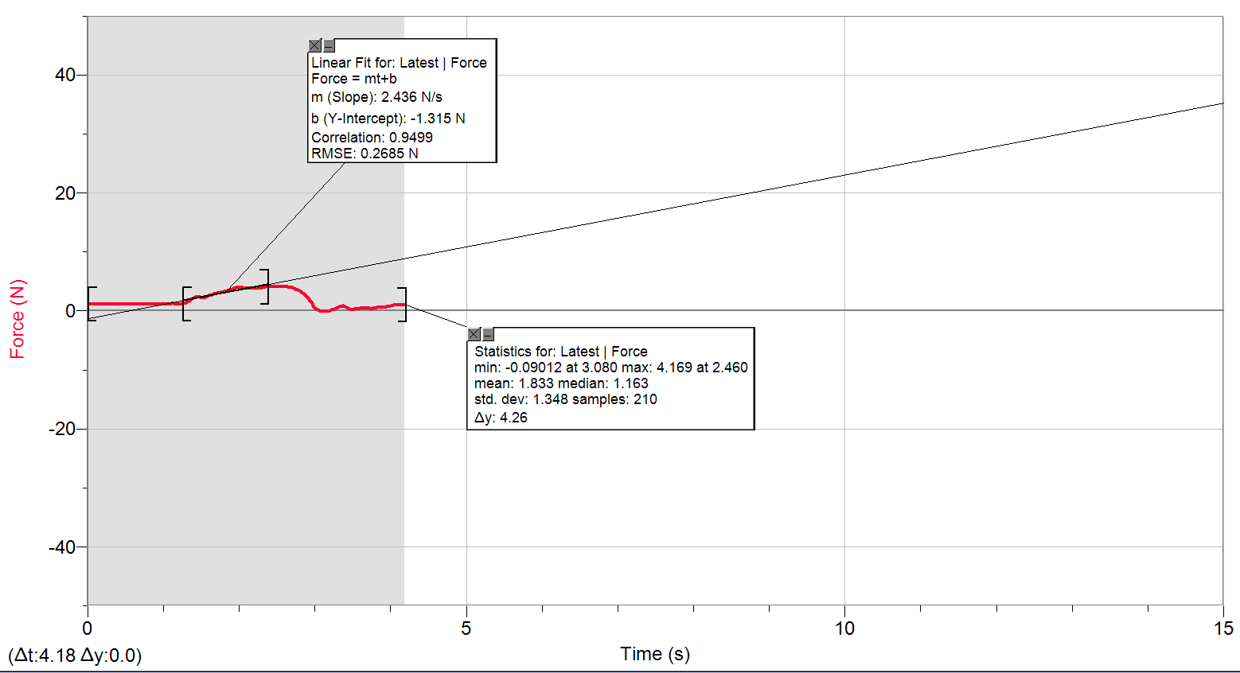
0 | 1.224768373
0.02 | 1.1941005213
0.04 | 1.1634326696
0.06 | 1.1308480772
0.08 | 1.1634326696
0.1 | 1.1634326696
0.12 | 1.1634326696
0.14 | 1.1634326696
0.16 | 1.1308480772
0.18 | 1.1634326696
0.2 | 1.1634326696
0.22 | 1.1634326696
0.24 | 1.1634326696
0.26 | 1.1634326696
0.28 | 1.1634326696
0.3 | 1.1634326696
0.32 | 1.1634326696
0.34 | 1.1634326696
0.36 | 1.1634326696
0.38 | 1.1634326696
0.4 | 1.1634326696
0.42 | 1.1634326696
0.44 | 1.1634326696
0.46 | 1.1308480772
0.48 | 1.1634326696
0.5 | 1.1634326696
0.52 | 1.1634326696
0.54 | 1.1634326696
0.56 | 1.1634326696
0.58 | 1.1634326696
0.6 | 1.1634326696
0.62 | 1.1634326696
0.64 | 1.1634326696
0.66 | 1.1634326696
0.68 | 1.1634326696
0.7 | 1.1634326696
0.72 | 1.1634326696
0.74 | 1.1634326696
0.76 | 1.1634326696
0.78 | 1.1634326696
0.8 | 1.1634326696
0.82 | 1.1634326696
0.84 | 1.1634326696
0.86 | 1.1634326696
0.88 | 1.1634326696
0.9 | 1.1634326696
0.92 | 1.1941005213
0.94 | 1.1634326696
0.96 | 1.1634326696
0.98 | 1.1634326696
1 | 1.1634326696
1.02 | 1.1634326696
1.04 | 1.1634326696
1.06 | 1.1634326696
1.08 | 1.1634326696
1.1 | 1.2573529654
1.12 | 1.2880208171
1.14 | 1.2880208171
1.16 | 1.1941005213
1.18 | 1.1634326696
1.2 | 1.1634326696
1.22 | 1.1634326696
1.24 | 1.1634326696
1.26 | 1.2573529654
1.28 | 1.2880208171
1.3 | 1.4126089645
1.32 | 1.5391138527
1.34 | 1.6637020002
1.36 | 1.82087474
1.38 | 2.0393831832
1.4 | 2.2272237748
1.42 | 2.3518119222
1.44 | 2.3518119222
1.46 | 2.3518119222
1.48 | 2.2904762189
1.5 | 2.2272237748
1.52 | 2.2272237748
1.54 | 2.2578916265
1.56 | 2.3211440705
1.58 | 2.445732218
1.6 | 2.5722371062
1.62 | 2.6661574019
1.64 | 2.7907455494
1.66 | 2.8846658451
1.68 | 2.9153336968
1.7 | 2.9785861409
1.72 | 3.0092539926
1.74 | 3.041838585
1.76 | 3.1031742883
1.78 | 3.1664267324
1.8 | 3.2603470282
1.82 | 3.3235994723
1.84 | 3.3849351756
1.86 | 3.4481876197
1.88 | 3.5727757672
1.9 | 3.729948507
1.92 | 3.8238688028
1.94 | 3.8545366545
1.96 | 3.9177890986
1.98 | 3.9177890986
2 | 3.9177890986
2.02 | 3.9177890986
2.04 | 3.9177890986
2.06 | 3.8545366545
2.08 | 3.8871212469
2.1 | 3.8871212469
2.12 | 3.9177890986
2.14 | 3.8871212469
2.16 | 3.7932009511
2.18 | 3.8238688028
2.2 | 3.8871212469
2.22 | 3.8871212469
2.24 | 3.8871212469
2.26 | 3.8238688028
2.28 | 3.8871212469
2.3 | 3.9484569503
2.32 | 4.0117093943
2.34 | 4.042377246
2.36 | 4.042377246
2.38 | 4.1056296901
2.4 | 4.1362975418
2.42 | 4.1056296901
2.44 | 4.1362975418
2.46 | 4.1688821342
2.48 | 4.1362975418
2.5 | 4.1056296901
2.52 | 4.1056296901
2.54 | 4.0749618384
2.56 | 4.1056296901
2.58 | 4.0749618384
2.6 | 4.042377246
2.62 | 4.1362975418
2.64 | 4.1056296901
2.66 | 4.0117093943
2.68 | 4.0117093943
2.7 | 3.9177890986
2.72 | 3.8871212469
2.74 | 3.7606163587
2.76 | 3.6053603596
2.78 | 3.5421079155
2.8 | 3.4175197681
2.82 | 3.2603470282
2.84 | 3.041838585
2.86 | 2.8539979935
2.88 | 2.6335728095
2.9 | 2.3211440705
2.92 | 2.0087153315
2.94 | 1.7269544442
2.96 | 1.3186886688
2.98 | 0.84908718994
3 | 0.53665845096
3.02 | 0.31815000775
3.04 | 0.16097726789
3.06 | 0.067056972126
3.08 | -0.090115767729
3.1 | -0.05753117532
3.12 | -0.026863323641
3.14 | -0.090115767729
3.16 | -0.05753117532
3.18 | -0.05753117532
3.2 | 0.036389120447
3.22 | 0.13030941621
3.24 | 0.19164511957
3.26 | 0.28556541534
3.28 | 0.47340600687
3.3 | 0.63057874673
3.32 | 0.72449904249
3.34 | 0.78775148658
3.36 | 0.88167178235
3.38 | 0.84908718994
3.4 | 0.69383119082
3.42 | 0.53665845096
3.44 | 0.41207030352
3.46 | 0.34881785943
3.48 | 0.25489756366
3.5 | 0.25489756366
3.52 | 0.28556541534
3.54 | 0.31815000775
3.56 | 0.34881785943
3.58 | 0.34881785943
3.6 | 0.41207030352
3.62 | 0.44273815519
3.64 | 0.47340600687
3.66 | 0.41207030352
3.68 | 0.41207030352
3.7 | 0.44273815519
3.72 | 0.44273815519
3.74 | 0.37948571111
3.76 | 0.41207030352
3.78 | 0.47340600687
3.8 | 0.50599059928
3.82 | 0.53665845096
3.84 | 0.56732630264
3.86 | 0.63057874673
3.88 | 0.63057874673
3.9 | 0.66124659841
3.92 | 0.66124659841
3.94 | 0.72449904249
3.96 | 0.75516689417
3.98 | 0.75516689417
4 | 0.81841933826
4.02 | 0.88167178235
4.04 | 0.94300748571
4.06 | 0.97559207812
4.08 | 0.94300748571
4.1 | 1.0062599298
4.12 | 1.0369277815
4.14 | 1.0369277815
4.16 | 1.0369277815
4.18 | 1.0369277815

10.3.4
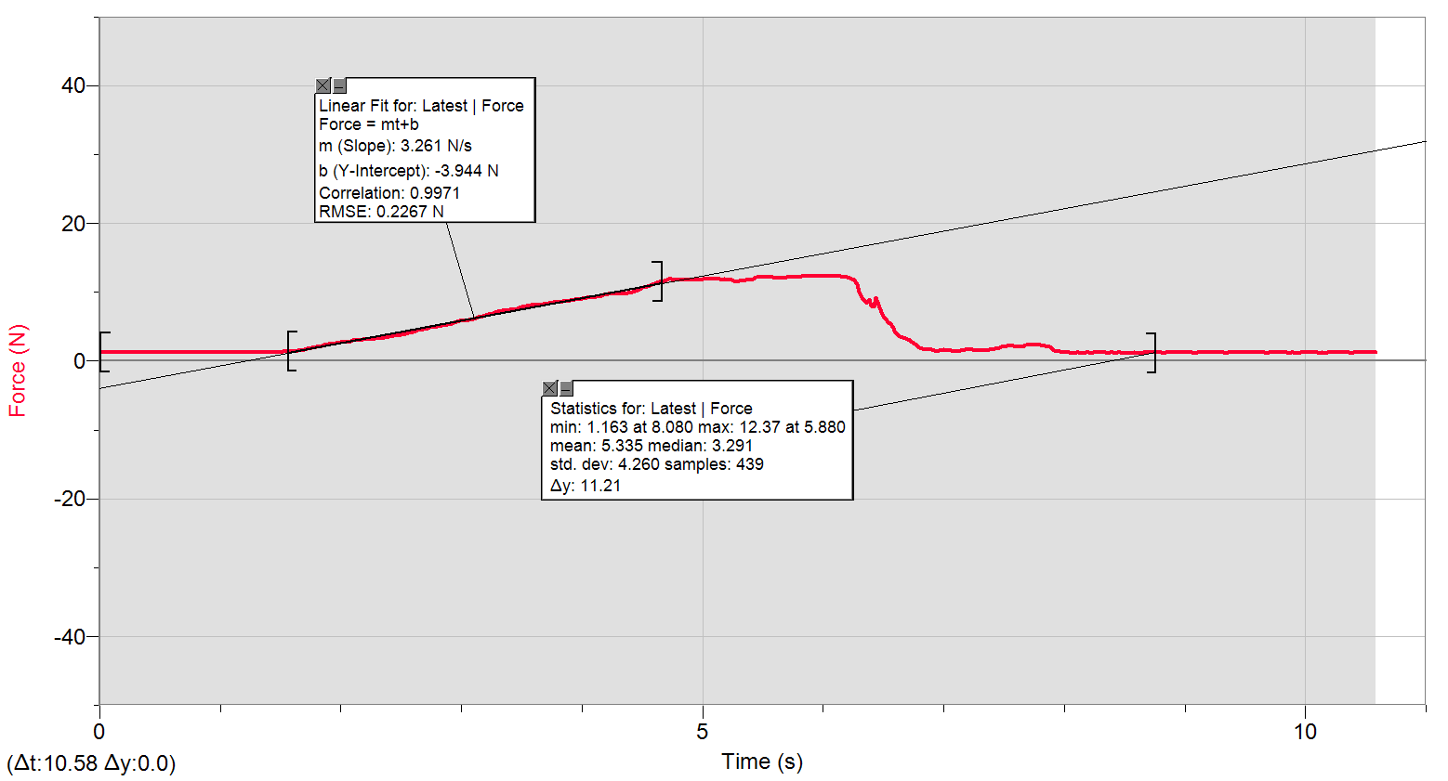
0 | 1.3186886688
0.02 | 1.2880208171
0.04 | 1.2880208171
0.06 | 1.2880208171
0.08 | 1.2573529654
0.1 | 1.2880208171
0.12 | 1.2573529654
0.14 | 1.2880208171
0.16 | 1.2573529654
0.18 | 1.2573529654
0.2 | 1.2573529654
0.22 | 1.2880208171
0.24 | 1.2880208171
0.26 | 1.2573529654
0.28 | 1.2880208171
0.3 | 1.2573529654
0.32 | 1.2880208171
0.34 | 1.2573529654
0.36 | 1.2880208171
0.38 | 1.2573529654
0.4 | 1.2573529654
0.42 | 1.2880208171
0.44 | 1.2880208171
0.46 | 1.2573529654
0.48 | 1.2880208171
0.5 | 1.2880208171
0.52 | 1.2573529654
0.54 | 1.2880208171
0.56 | 1.2573529654
0.58 | 1.2880208171
0.6 | 1.2573529654
0.62 | 1.2880208171
0.64 | 1.2573529654
0.66 | 1.2880208171
0.68 | 1.2573529654
0.7 | 1.2880208171
0.72 | 1.2573529654
0.74 | 1.2573529654
0.76 | 1.2880208171
0.78 | 1.2573529654
0.8 | 1.2573529654
0.82 | 1.2880208171
0.84 | 1.2880208171
0.86 | 1.2573529654
0.88 | 1.2880208171
0.9 | 1.2573529654
0.92 | 1.2880208171
0.94 | 1.2880208171
0.96 | 1.2880208171
0.98 | 1.2573529654
1 | 1.2880208171
1.02 | 1.2880208171
1.04 | 1.2573529654
1.06 | 1.2880208171
1.08 | 1.2573529654
1.1 | 1.2880208171
1.12 | 1.2573529654
1.14 | 1.2880208171
1.16 | 1.2880208171
1.18 | 1.2880208171
1.2 | 1.2880208171
1.22 | 1.2573529654
1.24 | 1.2573529654
1.26 | 1.2880208171
1.28 | 1.2880208171
1.3 | 1.2573529654
1.32 | 1.2880208171
1.34 | 1.2573529654
1.36 | 1.2880208171
1.38 | 1.2573529654
1.4 | 1.2880208171
1.42 | 1.2573529654
1.44 | 1.2880208171
1.46 | 1.2880208171
1.48 | 1.2880208171
1.5 | 1.3186886688
1.52 | 1.3819411129
1.54 | 1.445193557
1.56 | 1.445193557
1.58 | 1.4758614086
1.6 | 1.445193557
1.62 | 1.445193557
1.64 | 1.5065292603
1.66 | 1.5391138527
1.68 | 1.6004495561
1.7 | 1.6330341485
1.72 | 1.7576222959
1.74 | 1.7882901476
1.76 | 1.8822104434
1.78 | 1.9454628875
1.8 | 2.0393831832
1.82 | 2.133303479
1.84 | 2.2578916265
1.86 | 2.3518119222
1.88 | 2.4150643663
1.9 | 2.4783168104
1.92 | 2.5396525138
1.94 | 2.5396525138
1.96 | 2.6029049578
1.98 | 2.6661574019
2 | 2.6968252536
2.02 | 2.7600776977
2.04 | 2.7600776977
2.06 | 2.8214134011
2.08 | 2.8846658451
2.1 | 2.9785861409
2.12 | 3.0092539926
2.14 | 3.041838585
2.16 | 3.0725064367
2.18 | 3.1031742883
2.2 | 3.1357588808
2.22 | 3.1357588808
2.24 | 3.1664267324
2.26 | 3.1664267324
2.28 | 3.2603470282
2.3 | 3.2910148799
2.32 | 3.2910148799
2.34 | 3.354267324
2.36 | 3.4175197681
2.38 | 3.4788554714
2.4 | 3.5421079155
2.42 | 3.6053603596
2.44 | 3.6666960629
2.46 | 3.729948507
2.48 | 3.7606163587
2.5 | 3.7932009511
2.52 | 3.7932009511
2.54 | 3.9177890986
2.56 | 4.042377246
2.58 | 4.1688821342
2.6 | 4.2608856892
2.62 | 4.3873905774
2.64 | 4.4487262808
2.66 | 4.5426465765
2.68 | 4.6365668723
2.7 | 4.6998193164
2.72 | 4.7937396122
2.74 | 4.8876599079
2.76 | 4.950912352
2.78 | 4.9815802037
2.8 | 5.0755004995
2.82 | 5.1061683511
2.84 | 5.1387529436
2.86 | 5.1694207952
2.88 | 5.263341091
2.9 | 5.3265935351
2.92 | 5.4205138309
2.94 | 5.5451019783
2.96 | 5.6696901257
2.98 | 5.7961950139
3 | 5.8268628656
3.02 | 5.8901153097
3.04 | 5.8901153097
3.06 | 6.0147034571
3.08 | 6.0453713088
3.1 | 6.1392916046
3.12 | 6.2657964927
3.14 | 6.3597167885
3.16 | 6.4536370843
3.18 | 6.5782252317
3.2 | 6.6721455275
3.22 | 6.7660658233
3.24 | 6.859986119
3.26 | 6.9539064148
3.28 | 7.0784945622
3.3 | 7.172414858
3.32 | 7.2663351538
3.34 | 7.2989197462
3.36 | 7.3295875979
3.38 | 7.3602554495
3.4 | 7.4235078936
3.42 | 7.4235078936
3.44 | 7.5174281894
3.46 | 7.6420163369
3.48 | 7.768521225
3.5 | 7.8931093725
3.52 | 7.9237772242
3.54 | 7.9870296682
3.56 | 8.0176975199
3.58 | 8.1116178157
3.6 | 8.1442024081
3.62 | 8.1748702598
3.64 | 8.2055381115
3.66 | 8.2055381115
3.68 | 8.2687905555
3.7 | 8.3320429996
3.72 | 8.4259632954
3.74 | 8.4872989987
3.76 | 8.5198835912
3.78 | 8.5198835912
3.8 | 8.5505514428
3.82 | 8.6138038869
3.84 | 8.6751395903
3.86 | 8.6751395903
3.88 | 8.7077241827
3.9 | 8.7997277377
3.92 | 8.8323123301
3.94 | 8.9262326259
3.96 | 8.9569004776
3.98 | 9.0201529217
4 | 9.0508207734
4.02 | 9.1140732174
4.04 | 9.1754089208
4.06 | 9.2079935132
4.08 | 9.2386613649
4.1 | 9.2693292166
4.12 | 9.3958341047
4.14 | 9.4265019564
4.16 | 9.5204222522
4.18 | 9.5836746963
4.2 | 9.677594992
4.22 | 9.8021831395
4.24 | 9.8021831395
4.26 | 9.8328509912
4.28 | 9.8021831395
4.3 | 9.8021831395
4.32 | 9.8328509912
4.34 | 9.8654355836
4.36 | 9.8328509912
4.38 | 9.8654355836
4.4 | 9.8961034352
4.42 | 10.053276175
4.44 | 10.208532174
4.46 | 10.365704914
4.48 | 10.490293061
4.5 | 10.678133653
4.52 | 10.772053949
4.54 | 10.865974245
4.56 | 10.929226689
4.58 | 11.11706728
4.6 | 11.27424002
4.62 | 11.429496019
4.64 | 11.523416315
4.66 | 11.556000907
4.68 | 11.680589055
4.7 | 11.837761795
4.72 | 11.868429646
4.74 | 11.868429646
4.76 | 11.805177202
4.78 | 11.805177202
4.8 | 11.805177202
4.82 | 11.837761795
4.84 | 11.805177202
4.86 | 11.774509351
4.88 | 11.805177202
4.9 | 11.805177202
4.92 | 11.805177202
4.94 | 11.805177202
4.96 | 11.837761795
4.98 | 11.837761795
5 | 11.899097498
5.02 | 11.899097498
5.04 | 11.899097498
5.06 | 11.899097498
5.08 | 11.899097498
5.1 | 11.899097498
5.12 | 11.899097498
5.14 | 11.899097498
5.16 | 11.837761795
5.18 | 11.868429646
5.2 | 11.805177202
5.22 | 11.774509351
5.24 | 11.743841499
5.26 | 11.711256906
5.28 | 11.586668759
5.3 | 11.680589055
5.32 | 11.711256906
5.34 | 11.711256906
5.36 | 11.774509351
5.38 | 11.774509351
5.4 | 11.837761795
5.42 | 11.868429646
5.44 | 12.150190534
5.46 | 12.180858385
5.48 | 12.244110829
5.5 | 12.244110829
5.52 | 12.213442978
5.54 | 12.180858385
5.56 | 12.150190534
5.58 | 12.180858385
5.6 | 12.119522682
5.62 | 12.119522682
5.64 | 12.08693809
5.66 | 12.08693809
5.68 | 12.119522682
5.7 | 12.150190534
5.72 | 12.150190534
5.74 | 12.180858385
5.76 | 12.213442978
5.78 | 12.213442978
5.8 | 12.213442978
5.82 | 12.274778681
5.84 | 12.274778681
5.86 | 12.307363274
5.88 | 12.368698977
5.9 | 12.338031125
5.92 | 12.338031125
5.94 | 12.338031125
5.96 | 12.338031125
5.98 | 12.307363274
6 | 12.338031125
6.02 | 12.368698977
6.04 | 12.307363274
6.06 | 12.338031125
6.08 | 12.338031125
6.1 | 12.338031125
6.12 | 12.274778681
6.14 | 12.274778681
6.16 | 12.244110829
6.18 | 12.244110829
6.2 | 12.180858385
6.22 | 12.056270238
6.24 | 11.962349942
6.26 | 11.774509351
6.28 | 11.180319724
6.3 | 10.083944027
6.32 | 9.2386613649
6.34 | 8.8936480335
6.36 | 8.4872989987
6.38 | 8.8936480335
6.4 | 8.0502821123
6.42 | 7.8624415208
6.44 | 9.1754089208
6.46 | 8.2055381115
6.48 | 7.1110791546
6.5 | 6.54755738
6.52 | 6.0779559012
6.54 | 5.6390222741
6.56 | 5.4205138309
6.58 | 4.8244074638
6.6 | 4.1688821342
6.62 | 3.8545366545
6.64 | 3.5421079155
6.66 | 3.4788554714
6.68 | 3.3235994723
6.7 | 3.1357588808
6.72 | 2.9785861409
6.74 | 2.6968252536
6.76 | 2.445732218
6.78 | 2.1639713307
6.8 | 1.9761307392
6.82 | 1.7882901476
6.84 | 1.7269544442
6.86 | 1.6637020002
6.88 | 1.6637020002
6.9 | 1.6330341485
6.92 | 1.5391138527
6.94 | 1.445193557
6.96 | 1.5065292603
6.98 | 1.6004495561
7 | 1.6330341485
7.02 | 1.6004495561
7.04 | 1.6004495561
7.06 | 1.5065292603
7.08 | 1.4126089645
7.1 | 1.4126089645
7.12 | 1.445193557
7.14 | 1.5065292603
7.16 | 1.5391138527
7.18 | 1.6330341485
7.2 | 1.6637020002
7.22 | 1.6943698518
7.24 | 1.6330341485
7.26 | 1.5697817044
7.28 | 1.5391138527
7.3 | 1.5065292603
7.32 | 1.5391138527
7.34 | 1.5391138527
7.36 | 1.6004495561
7.38 | 1.6330341485
7.4 | 1.6943698518
7.42 | 1.7882901476
7.44 | 1.8515425917
7.46 | 1.9147950358
7.48 | 2.0393831832
7.5 | 2.133303479
7.52 | 2.1639713307
7.54 | 2.1965559231
7.56 | 2.1639713307
7.58 | 2.1639713307
7.6 | 2.133303479
7.62 | 2.133303479
7.64 | 2.0393831832
7.66 | 2.0393831832
7.68 | 2.2904762189
7.7 | 2.3843965146
7.72 | 2.3211440705
7.74 | 2.3211440705
7.76 | 2.3843965146
7.78 | 2.2904762189
7.8 | 2.3518119222
7.82 | 2.2578916265
7.84 | 2.1965559231
7.86 | 2.133303479
7.88 | 2.0393831832
7.9 | 1.82087474
7.92 | 1.6004495561
7.94 | 1.4126089645
7.96 | 1.3512732612
7.98 | 1.2880208171
8 | 1.224768373
8.02 | 1.2573529654
8.04 | 1.2573529654
8.06 | 1.1941005213
8.08 | 1.1634326696
8.1 | 1.224768373
8.12 | 1.224768373
8.14 | 1.1941005213
8.16 | 1.1634326696
8.18 | 1.224768373
8.2 | 1.2573529654
8.22 | 1.1941005213
8.24 | 1.224768373
8.26 | 1.2573529654
8.28 | 1.2573529654
8.3 | 1.224768373
8.32 | 1.2573529654
8.34 | 1.224768373
8.36 | 1.1941005213
8.38 | 1.224768373
8.4 | 1.2573529654
8.42 | 1.1941005213
8.44 | 1.224768373
8.46 | 1.224768373
8.48 | 1.1941005213
8.5 | 1.2573529654
8.52 | 1.1941005213
8.54 | 1.224768373
8.56 | 1.1941005213
8.58 | 1.224768373
8.6 | 1.1941005213
8.62 | 1.1941005213
8.64 | 1.1941005213
8.66 | 1.224768373
8.68 | 1.224768373
8.7 | 1.2573529654
8.72 | 1.224768373
8.74 | 1.2573529654
8.76 | 1.224768373
8.78 | 1.2573529654
8.8 | 1.224768373
8.82 | 1.1941005213
8.84 | 1.2573529654
8.86 | 1.224768373
8.88 | 1.2573529654
8.9 | 1.224768373
8.92 | 1.2573529654
8.94 | 1.224768373
8.96 | 1.2573529654
8.98 | 1.2573529654
9 | 1.224768373
9.02 | 1.224768373
9.04 | 1.224768373
9.06 | 1.2573529654
9.08 | 1.1941005213
9.1 | 1.2573529654
9.12 | 1.2573529654
9.14 | 1.2573529654
9.16 | 1.2573529654
9.18 | 1.2573529654
9.2 | 1.2573529654
9.22 | 1.2573529654
9.24 | 1.2573529654
9.26 | 1.224768373
9.28 | 1.224768373
9.3 | 1.224768373
9.32 | 1.2573529654
9.34 | 1.1941005213
9.36 | 1.2573529654
9.38 | 1.224768373
9.4 | 1.2573529654
9.42 | 1.224768373
9.44 | 1.2573529654
9.46 | 1.224768373
9.48 | 1.224768373
9.5 | 1.2573529654
9.52 | 1.2573529654
9.54 | 1.2573529654
9.56 | 1.2573529654
9.58 | 1.2573529654
9.6 | 1.224768373
9.62 | 1.2573529654
9.64 | 1.224768373
9.66 | 1.2573529654
9.68 | 1.1941005213
9.7 | 1.224768373
9.72 | 1.224768373
9.74 | 1.224768373
9.76 | 1.2573529654
9.78 | 1.2573529654
9.8 | 1.224768373
9.82 | 1.224768373
9.84 | 1.2573529654
9.86 | 1.1941005213
9.88 | 1.2573529654
9.9 | 1.224768373
9.92 | 1.1941005213
9.94 | 1.1941005213
9.96 | 1.224768373
9.98 | 1.224768373
10 | 1.224768373
10.02 | 1.2573529654
10.04 | 1.224768373
10.06 | 1.224768373
10.08 | 1.224768373
10.1 | 1.224768373
10.12 | 1.1941005213
10.14 | 1.2573529654
10.16 | 1.1941005213
10.18 | 1.224768373
10.2 | 1.224768373
10.22 | 1.2573529654
10.24 | 1.224768373
10.26 | 1.2573529654
10.28 | 1.224768373
10.3 | 1.224768373
10.32 | 1.224768373
10.34 | 1.224768373
10.36 | 1.2573529654
10.38 | 1.1941005213
10.4 | 1.224768373
10.42 | 1.224768373
10.44 | 1.224768373
10.46 | 1.224768373
10.48 | 1.2573529654
10.5 | 1.224768373
10.52 | 1.224768373
10.54 | 1.2573529654
10.56 | 1.224768373
10.58 | 1.224768373

10.3.4_b
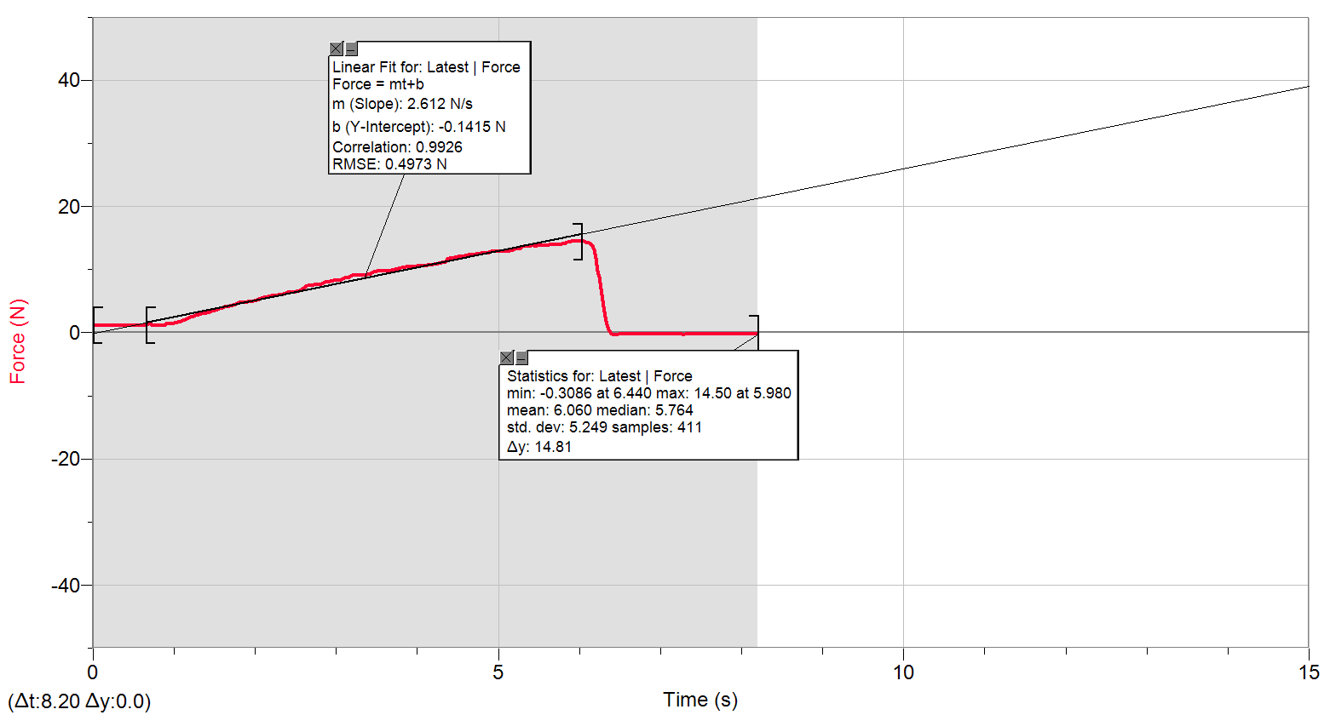
0 | 1.1941005213
0.02 | 1.1634326696
0.04 | 1.1634326696
0.06 | 1.1634326696
0.08 | 1.1634326696
0.1 | 1.1634326696
0.12 | 1.1308480772
0.14 | 1.1634326696
0.16 | 1.1634326696
0.18 | 1.1634326696
0.2 | 1.1634326696
0.22 | 1.1634326696
0.24 | 1.1634326696
0.26 | 1.1634326696
0.28 | 1.1634326696
0.3 | 1.1634326696
0.32 | 1.1308480772
0.34 | 1.1634326696
0.36 | 1.1634326696
0.38 | 1.1634326696
0.4 | 1.1634326696
0.42 | 1.1634326696
0.44 | 1.1634326696
0.46 | 1.1634326696
0.48 | 1.1634326696
0.5 | 1.1941005213
0.52 | 1.1634326696
0.54 | 1.1634326696
0.56 | 1.1634326696
0.58 | 1.1634326696
0.6 | 1.1634326696
0.62 | 1.1634326696
0.64 | 1.1634326696
0.66 | 1.224768373
0.68 | 1.3512732612
0.7 | 1.445193557
0.72 | 1.3819411129
0.74 | 1.1941005213
0.76 | 1.1308480772
0.78 | 1.1634326696
0.8 | 1.1941005213
0.82 | 1.1634326696
0.84 | 1.1308480772
0.86 | 1.1308480772
0.88 | 1.1941005213
0.9 | 1.3512732612
0.92 | 1.5065292603
0.94 | 1.4758614086
0.96 | 1.4126089645
0.98 | 1.445193557
1 | 1.5391138527
1.02 | 1.6004495561
1.04 | 1.6637020002
1.06 | 1.7269544442
1.08 | 1.7882901476
1.1 | 1.9147950358
1.12 | 2.0087153315
1.14 | 2.1026356273
1.16 | 2.1965559231
1.18 | 2.3211440705
1.2 | 2.445732218
1.22 | 2.5396525138
1.24 | 2.6661574019
1.26 | 2.7600776977
1.28 | 2.7907455494
1.3 | 2.8539979935
1.32 | 2.8846658451
1.34 | 3.0092539926
1.36 | 3.0725064367
1.38 | 3.041838585
1.4 | 3.1357588808
1.42 | 3.1970945841
1.44 | 3.2910148799
1.46 | 3.3849351756
1.48 | 3.4481876197
1.5 | 3.5114400638
1.52 | 3.5727757672
1.54 | 3.6992806554
1.56 | 3.7932009511
1.58 | 3.8871212469
1.6 | 3.9484569503
1.62 | 4.042377246
1.64 | 4.1056296901
1.66 | 4.1362975418
1.68 | 4.1995499859
1.7 | 4.2608856892
1.72 | 4.354805985
1.74 | 4.4180584291
1.76 | 4.5426465765
1.78 | 4.6365668723
1.8 | 4.7630717605
1.82 | 4.7937396122
1.84 | 4.8569920562
1.86 | 4.8244074638
1.88 | 4.8244074638
1.9 | 4.8876599079
1.92 | 4.9815802037
1.94 | 5.0122480554
1.96 | 4.9815802037
1.98 | 5.0448326478
2 | 5.0755004995
2.02 | 5.1387529436
2.04 | 5.2000886469
2.06 | 5.3879292384
2.08 | 5.5144341266
2.1 | 5.57576983
2.12 | 5.6390222741
2.14 | 5.6390222741
2.16 | 5.7022747181
2.18 | 5.7636104215
2.2 | 5.7961950139
2.22 | 5.8268628656
2.24 | 5.8901153097
2.26 | 5.9207831614
2.28 | 5.9840356054
2.3 | 6.0453713088
2.32 | 6.0453713088
2.34 | 6.1086237529
2.36 | 6.171876197
2.38 | 6.2657964927
2.4 | 6.3597167885
2.42 | 6.4210524919
2.44 | 6.4210524919
2.46 | 6.3903846402
2.48 | 6.3903846402
2.5 | 6.5149727876
2.52 | 6.5782252317
2.54 | 6.6088930834
2.56 | 6.6414776758
2.58 | 6.7967336749
2.6 | 7.0478267106
2.62 | 7.2663351538
2.64 | 7.4235078936
2.66 | 7.4541757453
2.68 | 7.4235078936
2.7 | 7.4867603377
2.72 | 7.5480960411
2.74 | 7.5480960411
2.76 | 7.5480960411
2.78 | 7.5480960411
2.8 | 7.5806806335
2.82 | 7.768521225
2.84 | 7.8931093725
2.86 | 8.0176975199
2.88 | 8.0502821123
2.9 | 8.080949964
2.92 | 8.1748702598
2.94 | 8.2055381115
2.96 | 8.2687905555
2.98 | 8.2687905555
3 | 8.2687905555
3.02 | 8.2687905555
3.04 | 8.2994584072
3.06 | 8.393378703
3.08 | 8.5505514428
3.1 | 8.6751395903
3.12 | 8.6751395903
3.14 | 8.7383920344
3.16 | 8.8629801818
3.18 | 8.9875683293
3.2 | 9.1140732174
3.22 | 9.1447410691
3.24 | 9.1447410691
3.26 | 9.1447410691
3.28 | 9.1447410691
3.3 | 9.1447410691
3.32 | 9.1447410691
3.34 | 9.1140732174
3.36 | 9.1447410691
3.38 | 9.1754089208
3.4 | 9.2079935132
3.42 | 9.2386613649
3.44 | 9.4571698081
3.46 | 9.6450103996
3.48 | 9.677594992
3.5 | 9.7082628437
3.52 | 9.7715152878
3.54 | 9.8021831395
3.56 | 9.8021831395
3.58 | 9.8021831395
3.6 | 9.8021831395
3.62 | 9.8021831395
3.64 | 9.8021831395
3.66 | 9.8328509912
3.68 | 9.8654355836
3.7 | 9.8961034352
3.72 | 9.990023731
3.74 | 10.083944027
3.76 | 10.147196471
3.78 | 10.177864323
3.8 | 10.271784618
3.82 | 10.365704914
3.84 | 10.365704914
3.86 | 10.396372766
3.88 | 10.428957358
3.9 | 10.45962521
3.92 | 10.490293061
3.94 | 10.45962521
3.96 | 10.490293061
3.98 | 10.522877654
4 | 10.522877654
4.02 | 10.522877654
4.04 | 10.553545506
4.06 | 10.61679795
4.08 | 10.584213357
4.1 | 10.61679795
4.12 | 10.647465801
4.14 | 10.678133653
4.16 | 10.710718246
4.18 | 10.741386097
4.2 | 10.804638541
4.22 | 10.835306393
4.24 | 10.898558837
4.26 | 10.929226689
4.28 | 10.992479133
4.3 | 11.053814836
4.32 | 11.086399429
4.34 | 11.180319724
4.36 | 11.492748463
4.38 | 11.774509351
4.4 | 11.805177202
4.42 | 11.868429646
4.44 | 11.837761795
4.46 | 11.868429646
4.48 | 11.962349942
4.5 | 12.025602386
4.52 | 12.056270238
4.54 | 12.056270238
4.56 | 12.08693809
4.58 | 12.150190534
4.6 | 12.213442978
4.62 | 12.274778681
4.64 | 12.307363274
4.66 | 12.307363274
4.68 | 12.307363274
4.7 | 12.368698977
4.72 | 12.401283569
4.74 | 12.431951421
4.76 | 12.495203865
4.78 | 12.556539568
4.8 | 12.619792012
4.82 | 12.619792012
4.84 | 12.589124161
4.86 | 12.619792012
4.88 | 12.650459864
4.9 | 12.838300456
4.92 | 12.9015529
4.94 | 12.9015529
4.96 | 12.870885048
4.98 | 12.870885048
5 | 12.838300456
5.02 | 12.870885048
5.04 | 12.870885048
5.06 | 12.870885048
5.08 | 12.9015529
5.1 | 12.9015529
5.12 | 12.9015529
5.14 | 12.964805344
5.16 | 13.026141047
5.18 | 13.120061343
5.2 | 13.213981639
5.22 | 13.277234083
5.24 | 13.307901935
5.26 | 13.307901935
5.28 | 13.40182223
5.3 | 13.620330673
5.32 | 13.714250969
5.34 | 13.683583118
5.36 | 13.714250969
5.38 | 13.714250969
5.4 | 13.746835562
5.42 | 13.746835562
5.44 | 13.746835562
5.46 | 13.714250969
5.48 | 13.777503413
5.5 | 13.808171265
5.52 | 13.840755857
5.54 | 13.840755857
5.56 | 13.840755857
5.58 | 13.871423709
5.6 | 13.871423709
5.62 | 13.902091561
5.64 | 13.902091561
5.66 | 13.934676153
5.68 | 13.934676153
5.7 | 13.934676153
5.72 | 13.965344005
5.74 | 13.965344005
5.76 | 13.996011857
5.78 | 14.028596449
5.8 | 14.028596449
5.82 | 14.089932152
5.84 | 14.404277632
5.86 | 14.404277632
5.88 | 14.404277632
5.9 | 14.434945484
5.92 | 14.434945484
5.94 | 14.434945484
5.96 | 14.465613335
5.98 | 14.498197928
6 | 14.498197928
6.02 | 14.465613335
6.04 | 14.434945484
6.06 | 14.434945484
6.08 | 14.404277632
6.1 | 14.277772744
6.12 | 14.216437041
6.14 | 14.122516745
6.16 | 13.777503413
6.18 | 13.152645935
6.2 | 11.743841499
6.22 | 9.8021831395
6.24 | 8.8629801818
6.26 | 7.8931093725
6.28 | 6.0453713088
6.3 | 4.1362975418
6.32 | 2.4783168104
6.34 | 1.2573529654
6.36 | 0.44273815519
6.38 | 0.036389120447
6.4 | -0.1840360635
6.42 | -0.27795635926
6.44 | -0.30862421094
6.46 | -0.27795635926
6.48 | -0.24537176685
6.5 | -0.24537176685
6.52 | -0.24537176685
6.54 | -0.24537176685
6.56 | -0.24537176685
6.58 | -0.24537176685
6.6 | -0.24537176685
6.62 | -0.24537176685
...

10.4.6
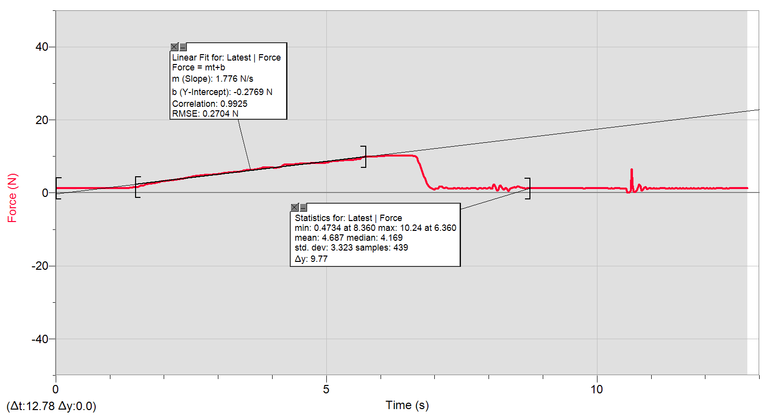
0 | 1.2880208171
0.02 | 1.2880208171
0.04 | 1.2880208171
0.06 | 1.2880208171
0.08 | 1.2880208171
0.1 | 1.2573529654
0.12 | 1.2880208171
0.14 | 1.2880208171
0.16 | 1.2880208171
0.18 | 1.2880208171
0.2 | 1.2880208171
0.22 | 1.2880208171
0.24 | 1.2573529654
0.26 | 1.2880208171
0.28 | 1.2880208171
0.3 | 1.2880208171
0.32 | 1.2880208171
0.34 | 1.2880208171
0.36 | 1.2880208171
0.38 | 1.2880208171
0.4 | 1.2880208171
0.42 | 1.2880208171
0.44 | 1.2880208171
0.46 | 1.2880208171
0.48 | 1.2880208171
0.5 | 1.2573529654
0.52 | 1.2573529654
0.54 | 1.2880208171
0.56 | 1.2880208171
0.58 | 1.2573529654
0.6 | 1.2573529654
0.62 | 1.2880208171
0.64 | 1.2880208171
0.66 | 1.2880208171
0.68 | 1.2880208171
0.7 | 1.2880208171
0.72 | 1.2880208171
0.74 | 1.2880208171
0.76 | 1.2573529654
0.78 | 1.2573529654
0.8 | 1.2880208171
...

10.4.6_b
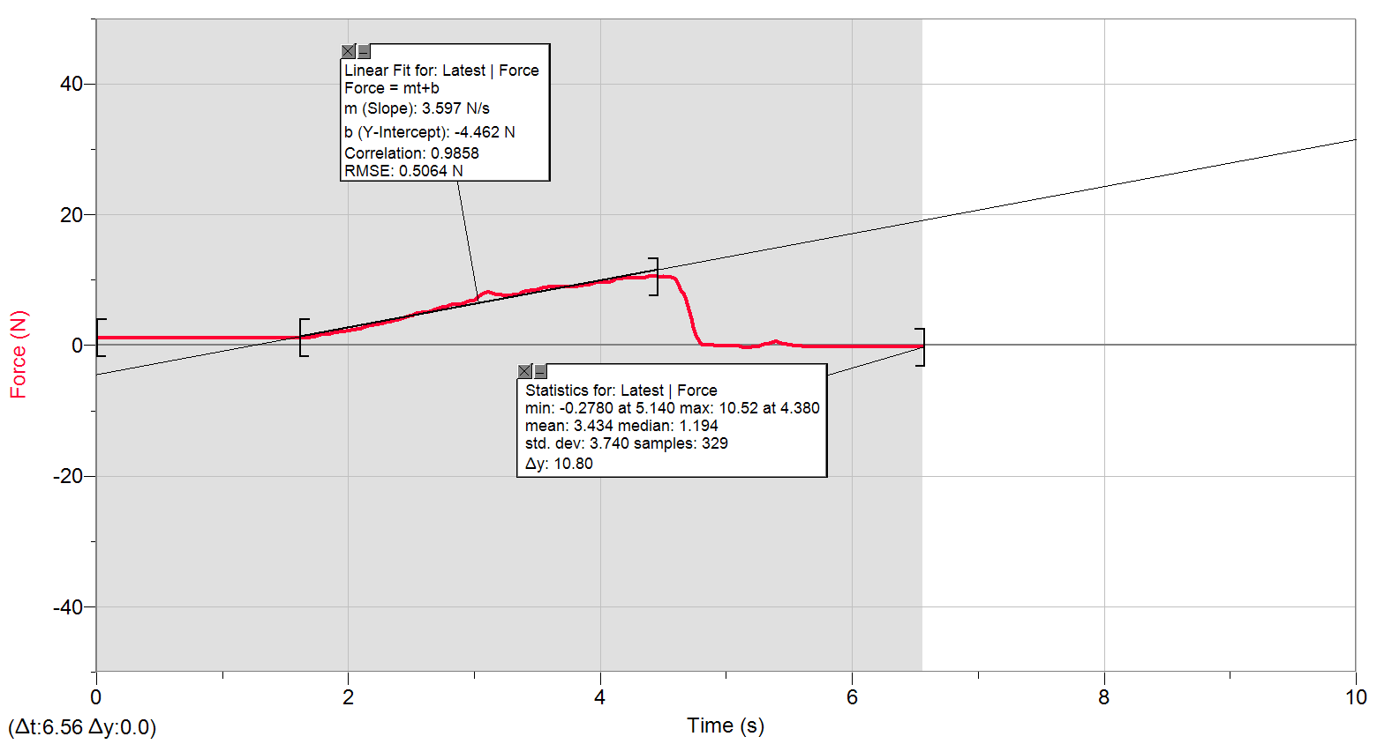
0 | 1.1941005213
0.02 | 1.1634326696
0.04 | 1.1634326696
0.06 | 1.1634326696
0.08 | 1.1634326696
0.1 | 1.1634326696
0.12 | 1.1634326696
0.14 | 1.1634326696
0.16 | 1.1634326696
0.18 | 1.1634326696
0.2 | 1.1634326696
0.22 | 1.1634326696
0.24 | 1.1634326696
0.26 | 1.1634326696
0.28 | 1.1634326696
0.3 | 1.1634326696
0.32 | 1.1634326696
0.34 | 1.1634326696
0.36 | 1.1634326696
0.38 | 1.1634326696
0.4 | 1.1634326696
0.42 | 1.1634326696
0.44 | 1.1634326696
0.46 | 1.1634326696
0.48 | 1.1634326696
0.5 | 1.1634326696
0.52 | 1.1634326696
0.54 | 1.1634326696
0.56 | 1.1634326696
0.58 | 1.1634326696
0.6 | 1.1634326696
0.62 | 1.1634326696
0.64 | 1.1941005213
0.66 | 1.1941005213
0.68 | 1.1634326696
0.7 | 1.1634326696
0.72 | 1.1634326696
0.74 | 1.1941005213
0.76 | 1.1941005213
0.78 | 1.1634326696
0.8 | 1.1634326696
...

10.5.2
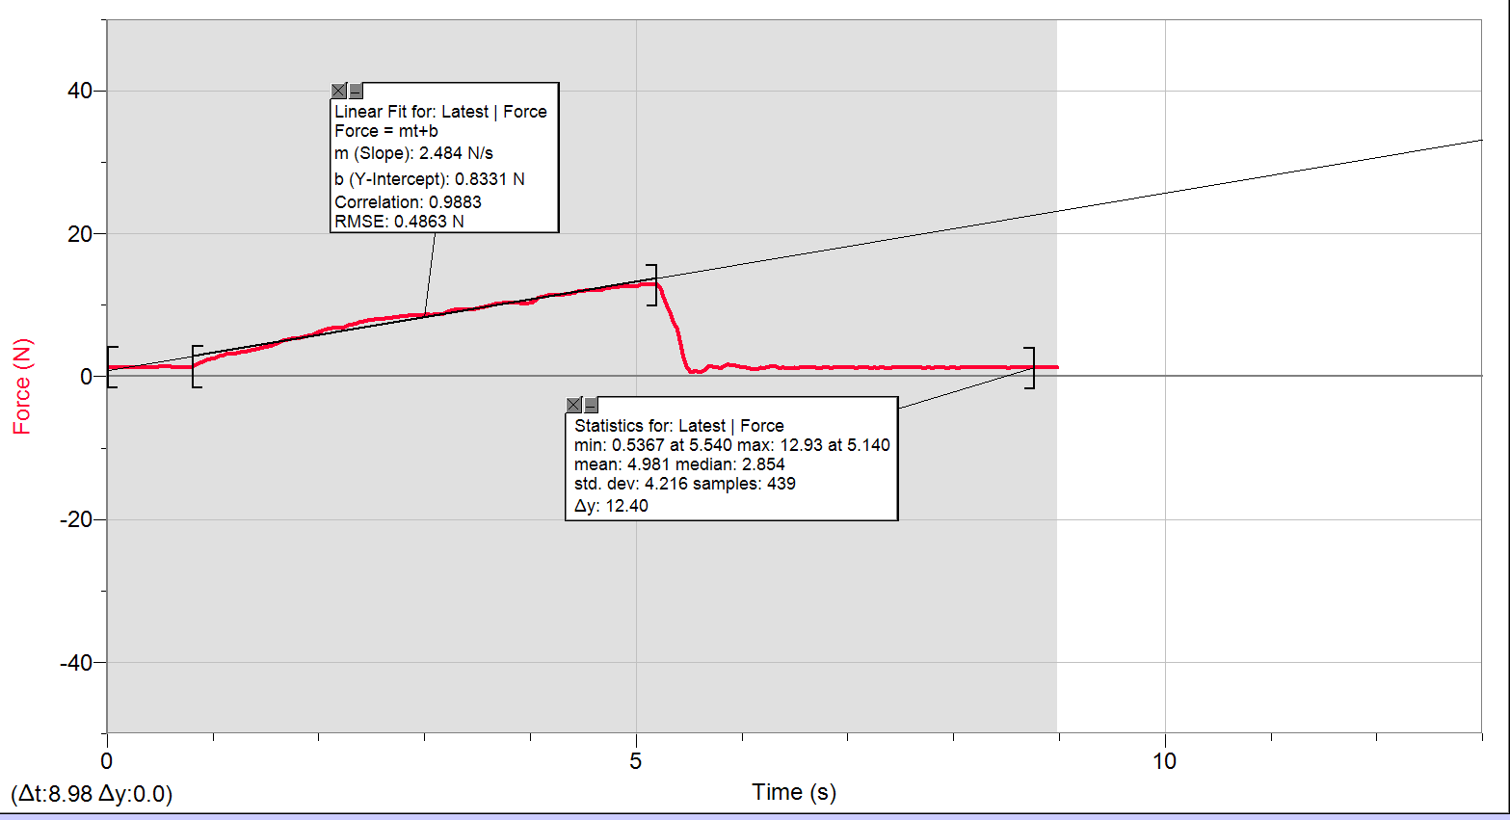
0 | 1.3512732612
0.02 | 1.3186886688
0.04 | 1.2880208171
0.06 | 1.2880208171
0.08 | 1.2880208171
0.1 | 1.3186886688
0.12 | 1.2880208171
0.14 | 1.2880208171
0.16 | 1.2880208171
0.18 | 1.2880208171
0.2 | 1.2573529654
0.22 | 1.2880208171
0.24 | 1.2880208171
0.26 | 1.2880208171
0.28 | 1.2880208171
0.3 | 1.3186886688
0.32 | 1.2880208171
0.34 | 1.2880208171
0.36 | 1.2880208171
0.38 | 1.2880208171
0.4 | 1.2880208171
0.42 | 1.2880208171
0.44 | 1.2880208171
0.46 | 1.2880208171
0.48 | 1.3512732612
0.5 | 1.4126089645
0.52 | 1.4126089645
0.54 | 1.4126089645
0.56 | 1.4126089645
0.58 | 1.445193557
0.6 | 1.4126089645
0.62 | 1.2573529654
0.64 | 1.2573529654
0.66 | 1.3186886688
0.68 | 1.2880208171
0.7 | 1.2573529654
0.72 | 1.2880208171
0.74 | 1.2880208171
0.76 | 1.2880208171
0.78 | 1.2880208171
0.8 | 1.4126089645
...

10.5.2_b
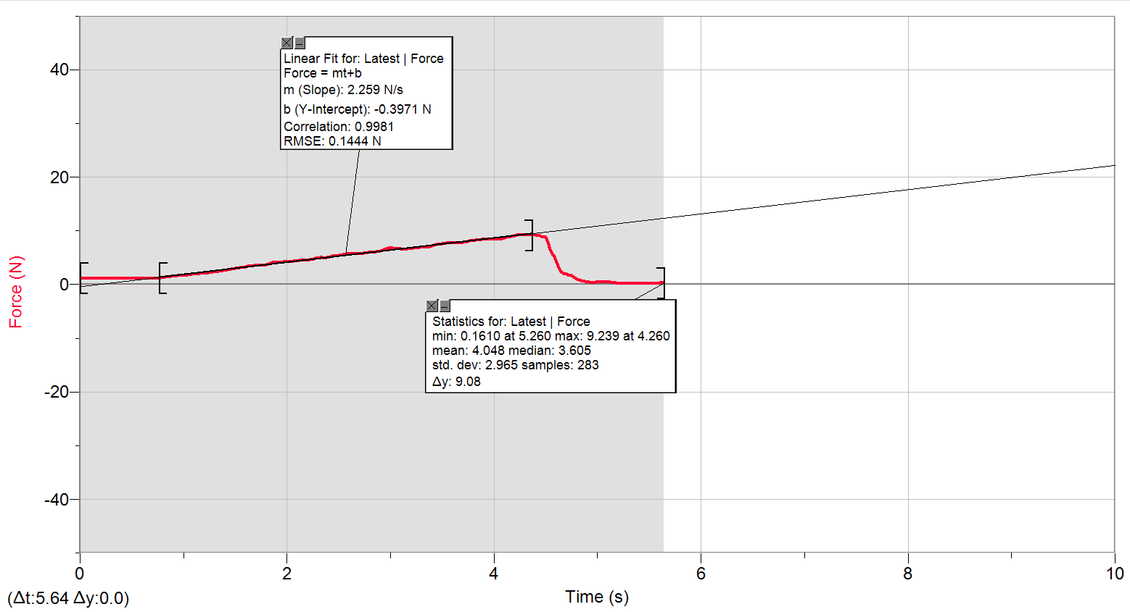
0 | 1.1941005213
0.02 | 1.1634326696
0.04 | 1.1634326696
0.06 | 1.1634326696
0.08 | 1.1634326696
0.1 | 1.1941005213
0.12 | 1.1634326696
0.14 | 1.1941005213
0.16 | 1.1634326696
0.18 | 1.1941005213
0.2 | 1.1941005213
0.22 | 1.1941005213
0.24 | 1.1634326696
0.26 | 1.1634326696
0.28 | 1.1634326696
0.3 | 1.1634326696
0.32 | 1.1634326696
0.34 | 1.1634326696
0.36 | 1.1634326696
0.38 | 1.1634326696
0.4 | 1.1634326696
0.42 | 1.1634326696
0.44 | 1.1634326696
0.46 | 1.1634326696
0.48 | 1.1634326696
0.5 | 1.1634326696
0.52 | 1.1634326696
0.54 | 1.1634326696
0.56 | 1.1634326696
0.58 | 1.1941005213
0.6 | 1.1634326696
0.62 | 1.1634326696
0.64 | 1.1941005213
0.66 | 1.1634326696
0.68 | 1.1634326696
0.7 | 1.1634326696
0.72 | 1.1308480772
0.74 | 1.1634326696
0.76 | 1.1634326696
0.78 | 1.2573529654
0.8 | 1.3186886688
...

10.6.2_b
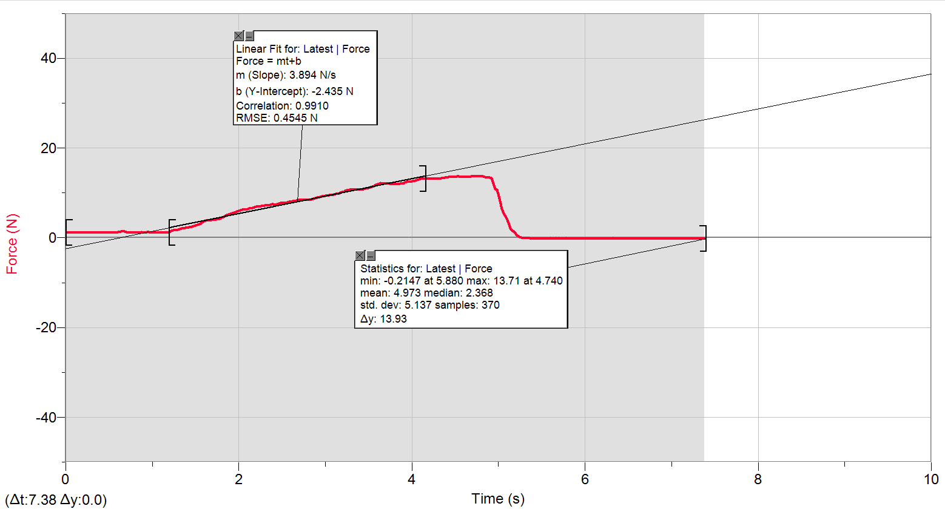
0 | 1.224768373
0.02 | 1.1634326696
0.04 | 1.1941005213
0.06 | 1.1941005213
0.08 | 1.1941005213
0.1 | 1.1634326696
0.12 | 1.1634326696
0.14 | 1.1634326696
0.16 | 1.1634326696
0.18 | 1.1941005213
0.2 | 1.1941005213
0.22 | 1.1634326696
0.24 | 1.1634326696
0.26 | 1.1634326696
0.28 | 1.1634326696
0.3 | 1.1634326696
0.32 | 1.1941005213
0.34 | 1.1941005213
0.36 | 1.1634326696
0.38 | 1.1634326696
0.4 | 1.1634326696
0.42 | 1.1941005213
0.44 | 1.1941005213
0.46 | 1.1634326696
0.48 | 1.1634326696
0.5 | 1.1634326696
0.52 | 1.1634326696
0.54 | 1.1634326696
0.56 | 1.1941005213
0.58 | 1.1634326696
0.6 | 1.224768373
0.62 | 1.2880208171
0.64 | 1.3512732612
0.66 | 1.4126089645
0.68 | 1.4126089645
0.7 | 1.2573529654
0.72 | 1.1634326696
0.74 | 1.1634326696
0.76 | 1.1941005213
0.78 | 1.1634326696
0.8 | 1.1634326696
...

11.1.1_a
0 | 1.3186886688
0.02 | 1.2880208171
0.04 | 1.2573529654
0.06 | 1.2880208171
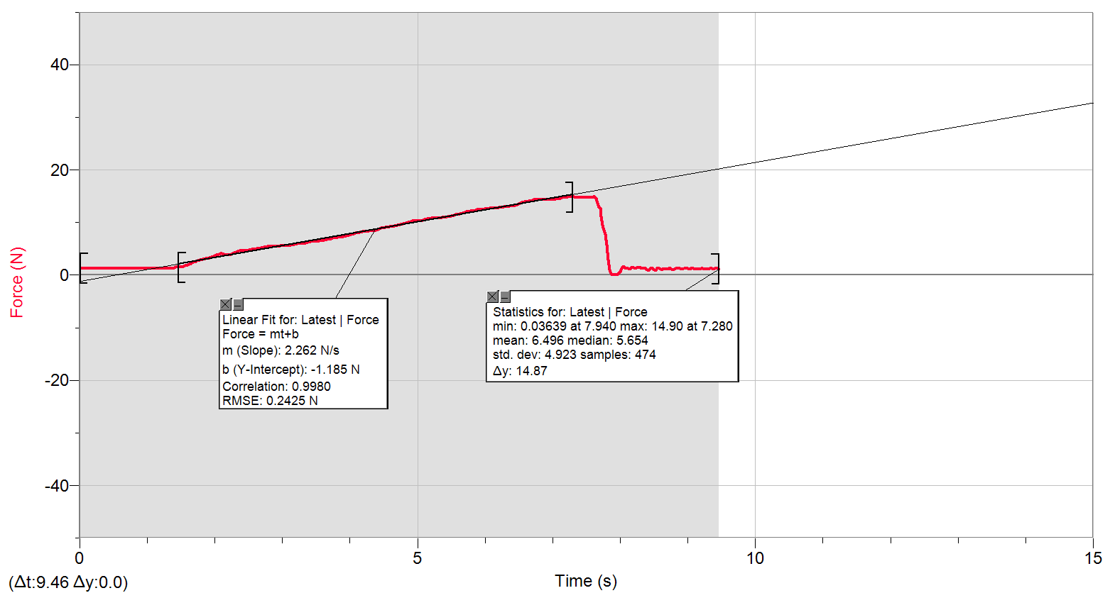
0.08 | 1.2573529654
0.1 | 1.2573529654
0.12 | 1.2573529654
0.14 | 1.2880208171
0.16 | 1.2573529654
0.18 | 1.2573529654
0.2 | 1.2573529654
0.22 | 1.2573529654
0.24 | 1.2573529654
0.26 | 1.2880208171
0.28 | 1.2573529654
0.3 | 1.2573529654
0.32 | 1.2573529654
0.34 | 1.2880208171
0.36 | 1.2573529654
0.38 | 1.2573529654
0.4 | 1.2573529654
0.42 | 1.2880208171
0.44 | 1.2573529654
0.46 | 1.2573529654
0.48 | 1.2573529654
0.5 | 1.2880208171
0.52 | 1.2880208171
0.54 | 1.2573529654
0.56 | 1.2880208171
0.58 | 1.2880208171
0.6 | 1.2573529654
0.62 | 1.2573529654
0.64 | 1.2573529654
0.66 | 1.2573529654
0.68 | 1.2573529654
0.7 | 1.2573529654
0.72 | 1.2573529654
0.74 | 1.2573529654
0.76 | 1.2880208171
0.78 | 1.2573529654
0.8 | 1.2573529654
0.82 | 1.2573529654
0.84 | 1.2573529654
...

11.1.1_b
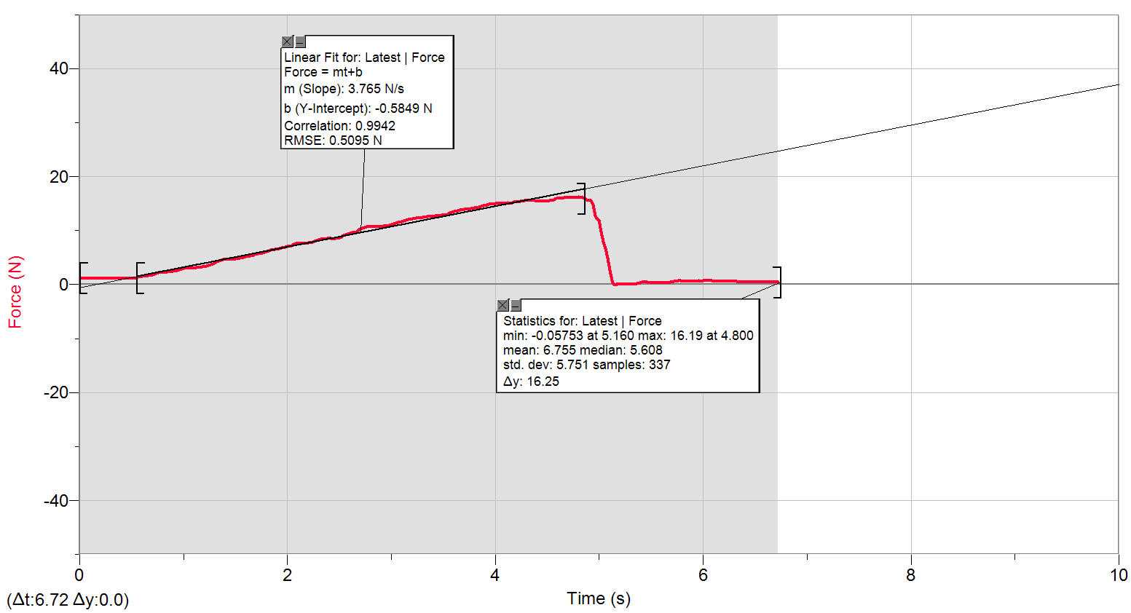
0 | 1.1941005213
0.02 | 1.1634326696
0.04 | 1.1634326696
0.06 | 1.1634326696
0.08 | 1.1308480772
0.1 | 1.1634326696
0.12 | 1.1308480772
0.14 | 1.1634326696
0.16 | 1.1634326696
0.18 | 1.1634326696
0.2 | 1.1634326696
0.22 | 1.1634326696
0.24 | 1.1634326696
0.26 | 1.1634326696
0.28 | 1.1634326696
0.3 | 1.1634326696
0.32 | 1.1634326696
0.34 | 1.1634326696
0.36 | 1.1634326696
0.38 | 1.1634326696
0.4 | 1.1634326696
0.42 | 1.1634326696
0.44 | 1.1634326696
0.46 | 1.1634326696
0.48 | 1.1634326696
0.5 | 1.1634326696
0.52 | 1.1634326696
0.54 | 1.1634326696
0.56 | 1.3512732612
0.58 | 1.445193557
0.6 | 1.5697817044
0.62 | 1.5697817044
0.64 | 1.6004495561
0.66 | 1.6330341485
0.68 | 1.6637020002
0.7 | 1.82087474
0.72 | 1.9761307392
0.74 | 2.133303479
0.76 | 2.1965559231
0.78 | 2.1965559231
0.8 | 2.1965559231
...

11.2.6
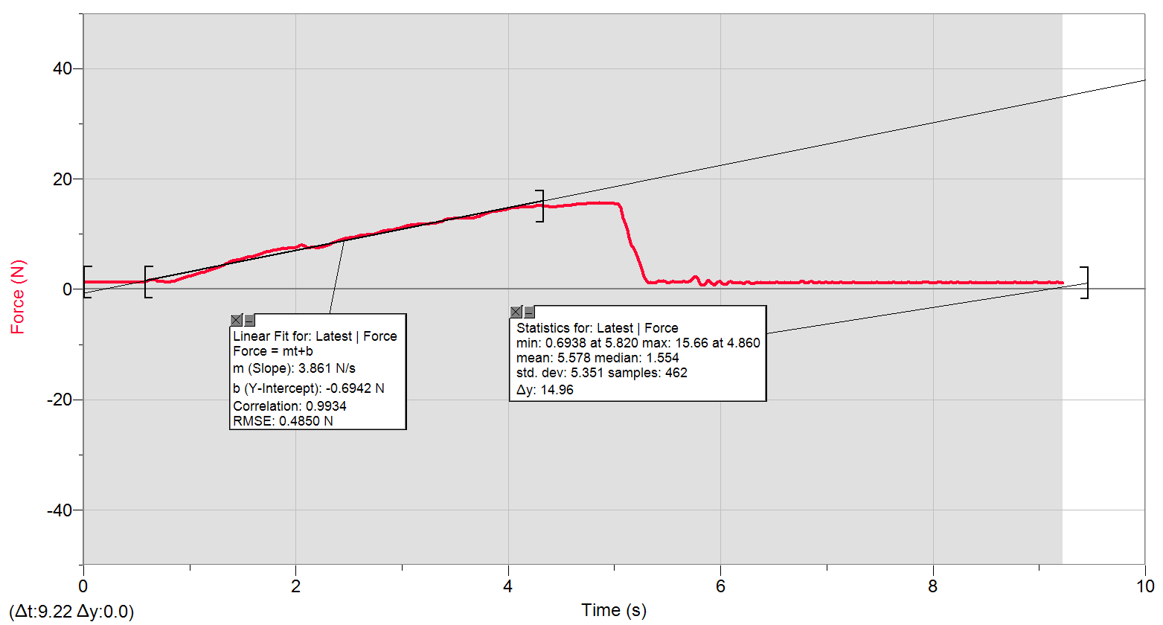
0 | 1.3186886688
0.02 | 1.2573529654
0.04 | 1.2880208171
0.06 | 1.2880208171
0.08 | 1.2573529654
0.1 | 1.2573529654
0.12 | 1.2573529654
0.14 | 1.2880208171
0.16 | 1.2573529654
0.18 | 1.2573529654
0.2 | 1.2573529654
0.22 | 1.2573529654
0.24 | 1.2573529654
0.26 | 1.2573529654
0.28 | 1.2573529654
0.3 | 1.2880208171
0.32 | 1.2880208171
0.34 | 1.2573529654
0.36 | 1.2573529654
0.38 | 1.2573529654
0.4 | 1.2880208171
0.42 | 1.2880208171
0.44 | 1.2880208171
0.46 | 1.2880208171
0.48 | 1.2880208171
0.5 | 1.2573529654
0.52 | 1.2573529654
0.54 | 1.2880208171
0.56 | 1.2880208171
0.58 | 1.445193557
0.6 | 1.5391138527
0.62 | 1.6330341485
0.64 | 1.6943698518
0.66 | 1.7576222959
0.68 | 1.6637020002
0.7 | 1.4758614086
0.72 | 1.3819411129
0.74 | 1.445193557
0.76 | 1.4758614086
0.78 | 1.3186886688
...

11.2.6_b
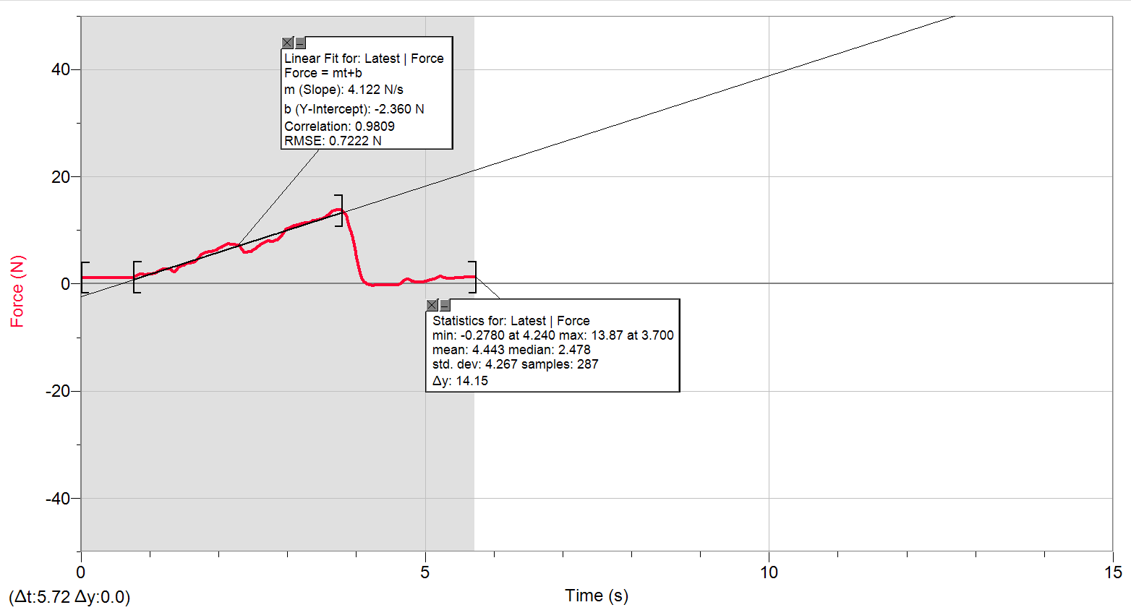
0 | 1.224768373
0.02 | 1.1634326696
0.04 | 1.1634326696
0.06 | 1.1634326696
0.08 | 1.1634326696
0.1 | 1.1634326696
0.12 | 1.1634326696
0.14 | 1.1634326696
0.16 | 1.1634326696
0.18 | 1.1308480772
0.2 | 1.1634326696
0.22 | 1.1634326696
0.24 | 1.1634326696
0.26 | 1.1634326696
0.28 | 1.1634326696
0.3 | 1.1634326696
0.32 | 1.1634326696
0.34 | 1.1634326696
0.36 | 1.1634326696
0.38 | 1.1634326696
0.4 | 1.1634326696
0.42 | 1.1634326696
0.44 | 1.1308480772
0.46 | 1.1634326696
0.48 | 1.1634326696
0.5 | 1.1634326696
0.52 | 1.1308480772
0.54 | 1.1634326696
0.56 | 1.1634326696
0.58 | 1.1634326696
0.6 | 1.1634326696
0.62 | 1.1634326696
0.64 | 1.1634326696
0.66 | 1.1634326696
0.68 | 1.1634326696
0.7 | 1.1634326696
0.72 | 1.1634326696
0.74 | 1.1634326696
0.76 | 1.3186886688
0.78 | 1.4126089645
0.8 | 1.5065292603
...

11.3.4
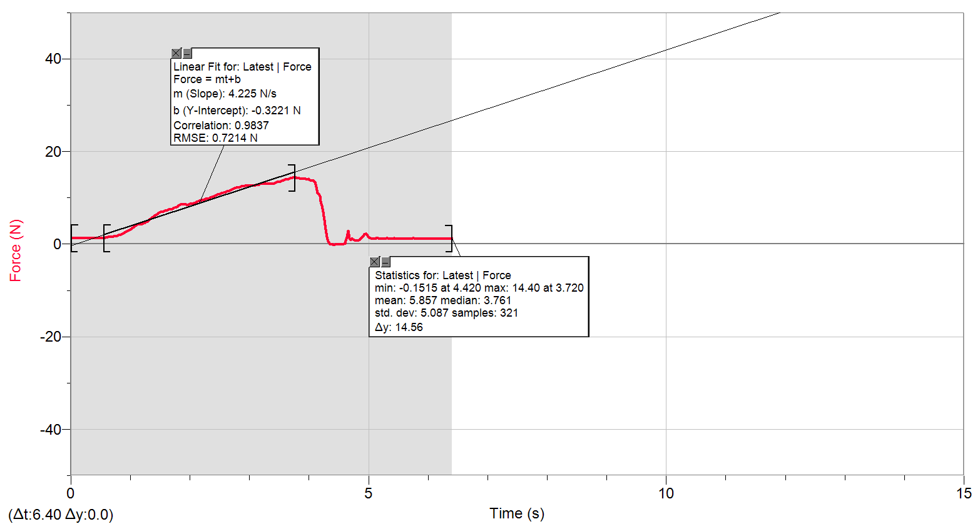
0 | 1.2880208171
0.02 | 1.2573529654
0.04 | 1.2573529654
0.06 | 1.2573529654
0.08 | 1.2573529654
0.1 | 1.2573529654
0.12 | 1.2573529654
0.14 | 1.2573529654
0.16 | 1.2573529654
0.18 | 1.2573529654
0.2 | 1.2573529654
0.22 | 1.2573529654
0.24 | 1.2573529654
0.26 | 1.2573529654
0.28 | 1.2573529654
0.3 | 1.2573529654
0.32 | 1.2573529654
0.34 | 1.2573529654
0.36 | 1.2573529654
0.38 | 1.2573529654
0.4 | 1.2573529654
0.42 | 1.2573529654
0.44 | 1.224768373
0.46 | 1.2573529654
0.48 | 1.2573529654
0.5 | 1.2573529654
0.52 | 1.2573529654
0.54 | 1.2573529654
0.56 | 1.2880208171
0.58 | 1.3819411129
0.6 | 1.445193557
0.62 | 1.5065292603
0.64 | 1.6004495561
0.66 | 1.6330341485
0.68 | 1.6004495561
0.7 | 1.5391138527
0.72 | 1.6330341485
0.74 | 1.6637020002
0.76 | 1.7269544442
0.78 | 1.82087474
...

11.3.4_b
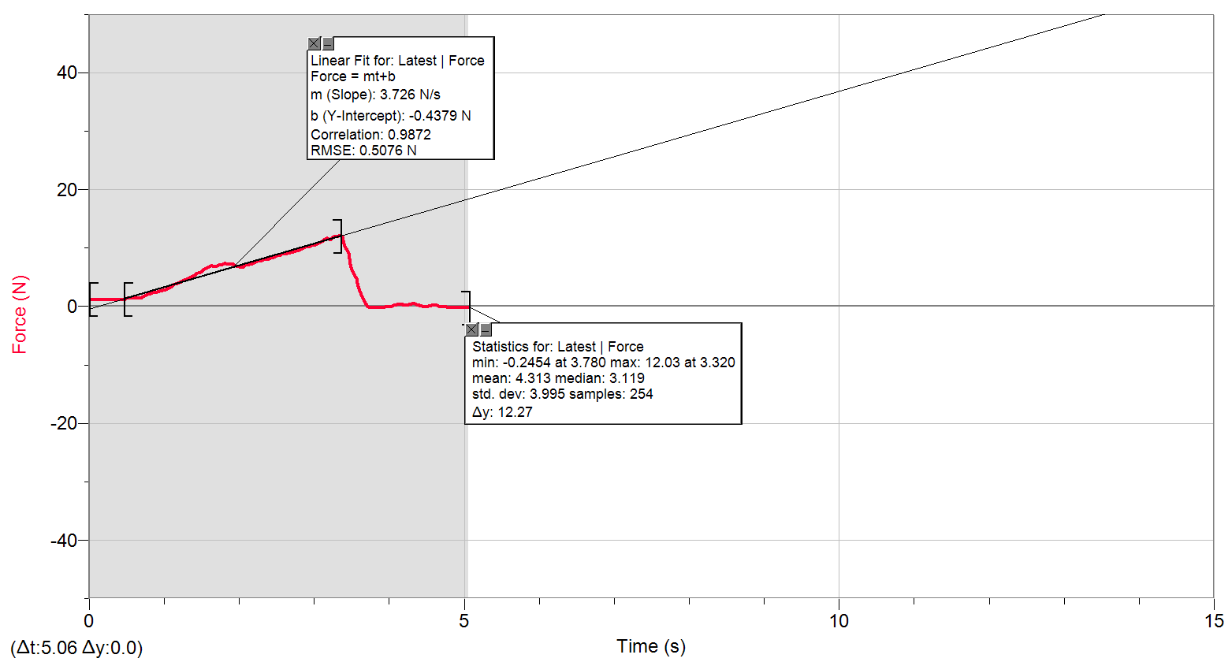
0 | 1.1941005213
0.02 | 1.1634326696
0.04 | 1.1308480772
0.06 | 1.1634326696
0.08 | 1.1634326696
0.1 | 1.1634326696
0.12 | 1.1634326696
0.14 | 1.1634326696
0.16 | 1.1634326696
0.18 | 1.1634326696
0.2 | 1.1634326696
0.22 | 1.1634326696
0.24 | 1.1634326696
0.26 | 1.1634326696
0.28 | 1.1634326696
0.3 | 1.1634326696
0.32 | 1.1308480772
0.34 | 1.1634326696
0.36 | 1.1634326696
0.38 | 1.1634326696
0.4 | 1.1634326696
0.42 | 1.1308480772
0.44 | 1.1634326696
0.46 | 1.1634326696
0.48 | 1.2573529654
0.5 | 1.3512732612
0.52 | 1.4126089645
0.54 | 1.4126089645
0.56 | 1.3512732612
0.58 | 1.3512732612
0.6 | 1.3512732612
0.62 | 1.4126089645
0.64 | 1.4126089645
0.66 | 1.3819411129
0.68 | 1.445193557
0.7 | 1.4758614086
0.72 | 1.6330341485
0.74 | 1.7576222959
0.76 | 1.8822104434
0.78 | 2.0393831832
...

11.4.4
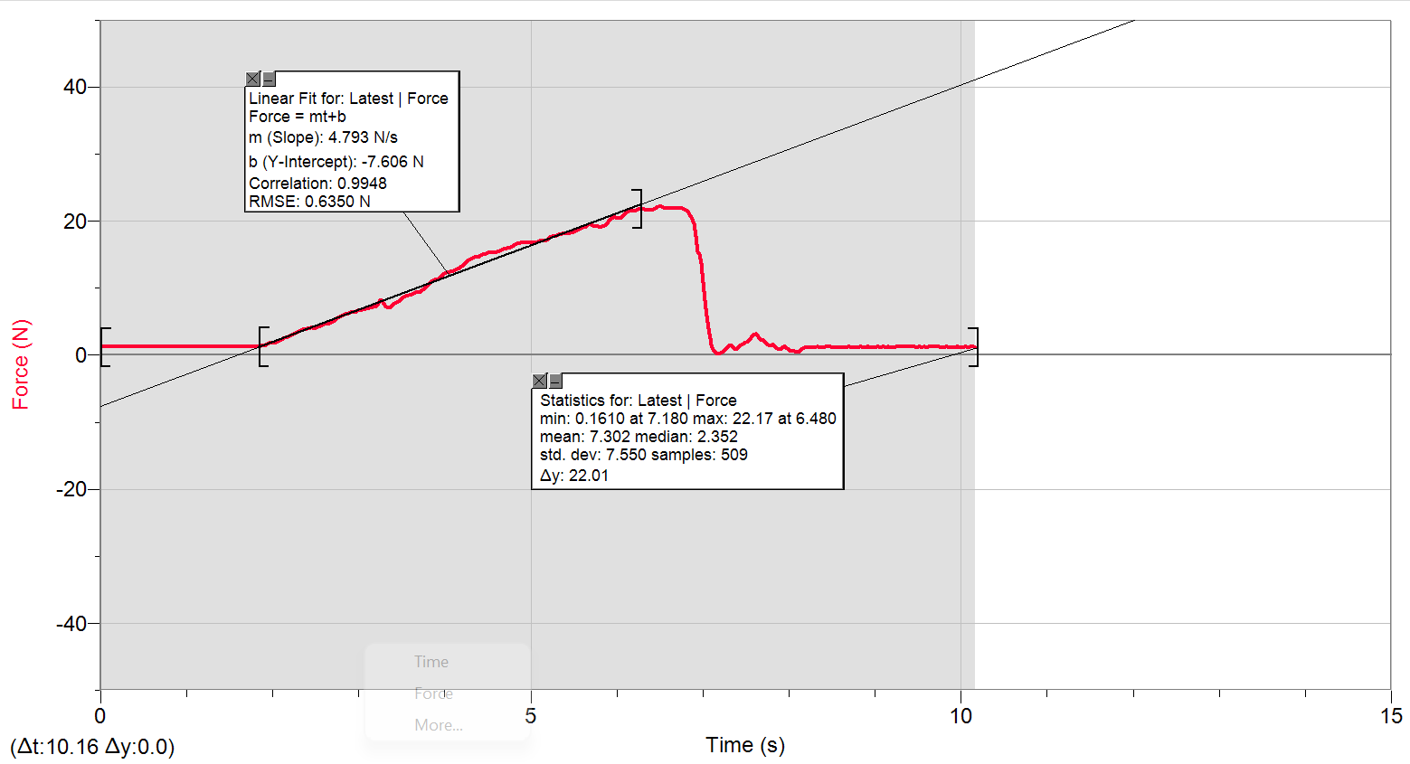
0 | 1.2573529654
0.02 | 1.2573529654
0.04 | 1.2573529654
0.06 | 1.2573529654
0.08 | 1.2573529654
0.1 | 1.2573529654
0.12 | 1.2573529654
0.14 | 1.2573529654
0.16 | 1.2573529654
0.18 | 1.2573529654
0.2 | 1.2573529654
0.22 | 1.2573529654
0.24 | 1.2573529654
0.26 | 1.2573529654
0.28 | 1.2573529654
0.3 | 1.2573529654
0.32 | 1.2573529654
0.34 | 1.2573529654
0.36 | 1.2573529654
0.38 | 1.2573529654
0.4 | 1.2573529654
0.42 | 1.2880208171
0.44 | 1.2573529654
0.46 | 1.2573529654
0.48 | 1.2573529654
0.5 | 1.2573529654
0.52 | 1.2573529654
0.54 | 1.2573529654
0.56 | 1.2573529654
0.58 | 1.2573529654
0.6 | 1.2573529654
0.62 | 1.2573529654
0.64 | 1.2573529654
0.66 | 1.2573529654
0.68 | 1.2573529654
0.7 | 1.2573529654
0.72 | 1.2573529654
0.74 | 1.2573529654
0.76 | 1.2573529654
0.78 | 1.2573529654
0.8 | 1.2573529654
...

11.4.4_b
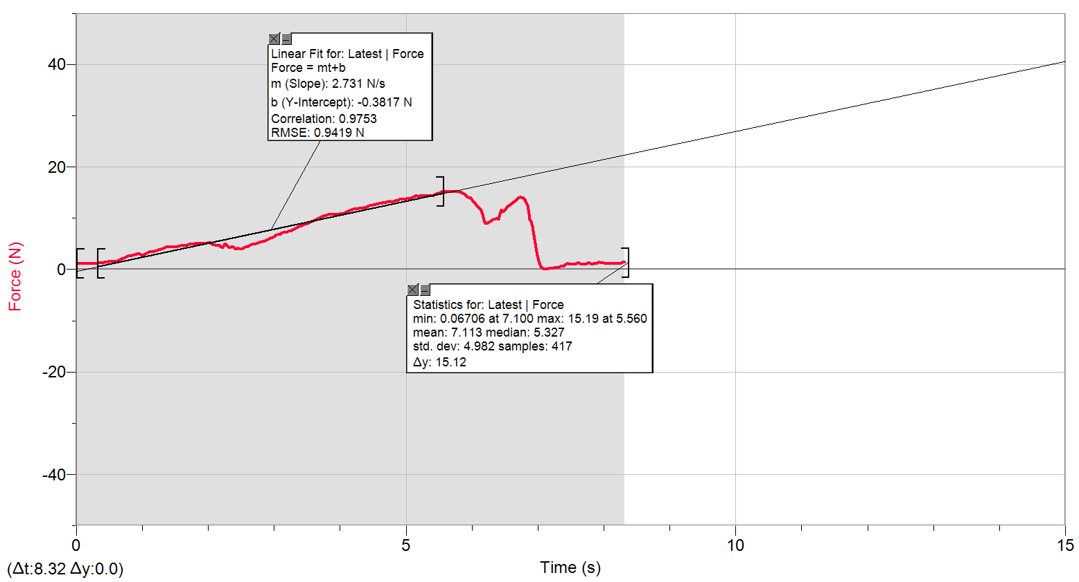
0 | 1.1941005213
0.02 | 1.1941005213
0.04 | 1.1941005213
0.06 | 1.1634326696
0.08 | 1.1941005213
0.1 | 1.1634326696
0.12 | 1.1634326696
0.14 | 1.1941005213
0.16 | 1.1634326696
0.18 | 1.1941005213
0.2 | 1.1634326696
0.22 | 1.1634326696
0.24 | 1.1941005213
0.26 | 1.1634326696
0.28 | 1.1634326696
0.3 | 1.1634326696
0.32 | 1.224768373
0.34 | 1.3512732612
0.36 | 1.3186886688
0.38 | 1.2880208171
0.4 | 1.2573529654
0.42 | 1.3512732612
0.44 | 1.3819411129
0.46 | 1.445193557
0.48 | 1.5391138527
0.5 | 1.6004495561
0.52 | 1.6004495561
0.54 | 1.6330341485
0.56 | 1.6004495561
0.58 | 1.5697817044
0.6 | 1.6004495561
0.62 | 1.6943698518
0.64 | 1.82087474
0.66 | 1.9147950358
0.68 | 2.0393831832
0.7 | 2.133303479
0.72 | 2.2578916265
0.74 | 2.3843965146
0.76 | 2.5089846621
0.78 | 2.6335728095
0.8 | 2.6661574019
...

11.5.4
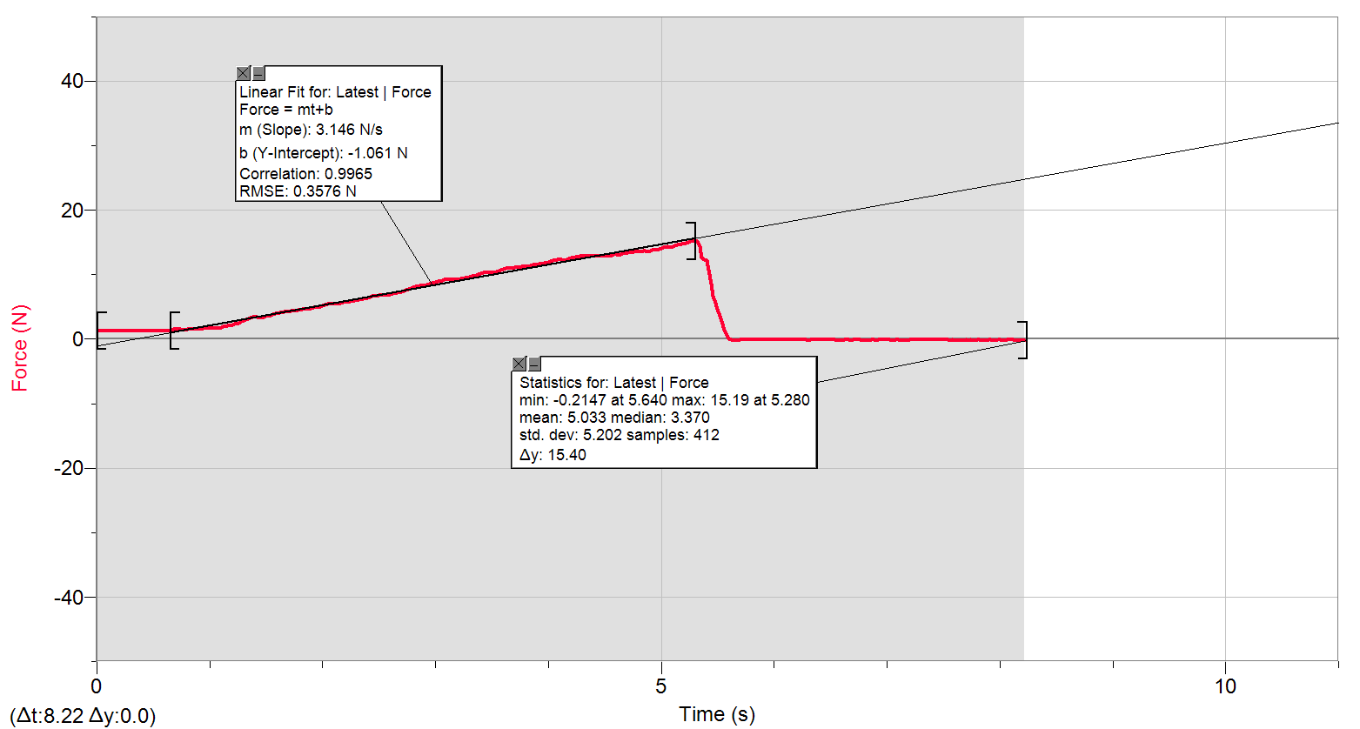
0 | 1.3186886688
0.02 | 1.2573529654
0.04 | 1.2573529654
0.06 | 1.2573529654
0.08 | 1.2573529654
0.1 | 1.2573529654
0.12 | 1.2573529654
0.14 | 1.2573529654
0.16 | 1.2573529654
0.18 | 1.2573529654
0.2 | 1.2573529654
0.22 | 1.2573529654
0.24 | 1.2573529654
0.26 | 1.2573529654
0.28 | 1.2573529654
0.3 | 1.2573529654
0.32 | 1.2573529654
0.34 | 1.2573529654
0.36 | 1.2880208171
0.38 | 1.2573529654
0.4 | 1.2880208171
0.42 | 1.2880208171
0.44 | 1.2573529654
0.46 | 1.2573529654
0.48 | 1.2573529654
0.5 | 1.2573529654
0.52 | 1.2573529654
0.54 | 1.2573529654
0.56 | 1.2573529654
0.58 | 1.2573529654
0.6 | 1.2573529654
0.62 | 1.2573529654
0.64 | 1.2880208171
0.66 | 1.3819411129
0.68 | 1.5065292603
0.7 | 1.5697817044
0.72 | 1.5697817044
0.74 | 1.5065292603
0.76 | 1.4758614086
0.78 | 1.4758614086
...

11.5.4_b

0 | 1.2573529654
0.02 | 1.1634326696
0.04 | 1.1941005213
0.06 | 1.1941005213
0.08 | 1.1941005213
0.1 | 1.1941005213
0.12 | 1.1634326696
0.14 | 1.1941005213
0.16 | 1.1941005213
0.18 | 1.224768373
0.2 | 1.2880208171
0.22 | 1.3819411129
0.24 | 1.4126089645
0.26 | 1.3819411129
0.28 | 1.3512732612
0.3 | 1.4126089645
0.32 | 1.445193557
0.34 | 1.445193557
0.36 | 1.5065292603
0.38 | 1.5065292603
0.4 | 1.5697817044
0.42 | 1.6637020002
0.44 | 1.6943698518
0.46 | 1.7882901476
0.48 | 1.8515425917
0.5 | 1.9147950358
0.52 | 2.0393831832
0.54 | 2.0700510349
0.56 | 2.1639713307
0.58 | 2.2578916265
0.6 | 2.2904762189
0.62 | 2.3518119222
0.64 | 2.3843965146
0.66 | 2.4150643663
0.68 | 2.4783168104
0.7 | 2.5396525138
0.72 | 2.6029049578
0.74 | 2.6661574019
0.76 | 2.7600776977
0.78 | 2.8846658451
0.8 | 3.041838585
...

11.6.4
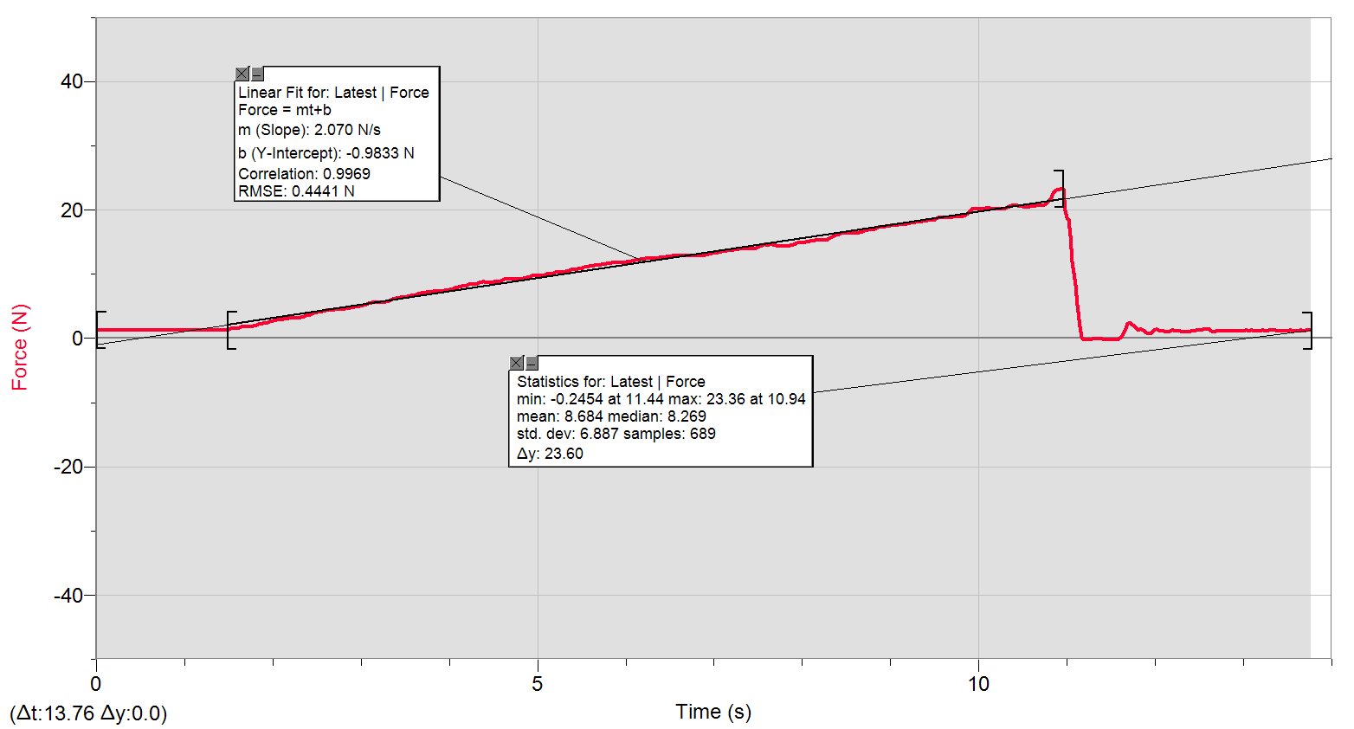
0 | 1.3186886688
0.02 | 1.2573529654
0.04 | 1.2573529654
0.06 | 1.2880208171
0.08 | 1.2880208171
0.1 | 1.2880208171
0.12 | 1.2880208171
0.14 | 1.2573529654
0.16 | 1.2880208171
0.18 | 1.2573529654
0.2 | 1.2573529654
0.22 | 1.2880208171
0.24 | 1.2573529654
0.26 | 1.2880208171
0.28 | 1.2880208171
0.3 | 1.2880208171
0.32 | 1.2880208171
0.34 | 1.2880208171
0.36 | 1.2573529654
0.38 | 1.2573529654
0.4 | 1.2573529654
0.42 | 1.2880208171
0.44 | 1.2880208171
0.46 | 1.2880208171
0.48 | 1.2880208171
0.5 | 1.2880208171
0.52 | 1.2880208171
0.54 | 1.2880208171
0.56 | 1.2573529654
0.58 | 1.2880208171
0.6 | 1.2573529654
0.62 | 1.2880208171
0.64 | 1.2880208171
0.66 | 1.2880208171
0.68 | 1.2880208171
0.7 | 1.2880208171
0.72 | 1.2880208171
0.74 | 1.2573529654
0.76 | 1.2880208171
0.78 | 1.2880208171
0.8 | 1.2573529654
...

11.6.4_b
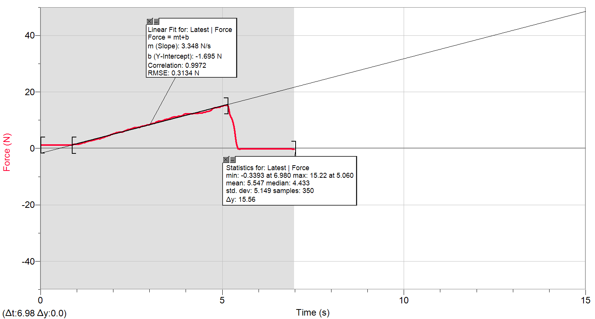
0 | 1.224768373
0.02 | 1.1634326696
0.04 | 1.1634326696
0.06 | 1.1634326696
0.08 | 1.1634326696
0.1 | 1.1634326696
0.12 | 1.1634326696
0.14 | 1.1634326696
0.16 | 1.1634326696
0.18 | 1.1634326696
0.2 | 1.1634326696
0.22 | 1.1634326696
0.24 | 1.1634326696
0.26 | 1.1634326696
0.28 | 1.1634326696
0.3 | 1.1634326696
0.32 | 1.1634326696
0.34 | 1.1634326696
0.36 | 1.1634326696
0.38 | 1.1634326696
0.4 | 1.1941005213
0.42 | 1.1308480772
0.44 | 1.1634326696
0.46 | 1.1634326696
0.48 | 1.1634326696
0.5 | 1.1634326696
0.52 | 1.1634326696
0.54 | 1.1308480772
0.56 | 1.1634326696
0.58 | 1.1634326696
0.6 | 1.1634326696
0.62 | 1.1634326696
0.64 | 1.1308480772
0.66 | 1.1634326696
0.68 | 1.1634326696
0.7 | 1.1634326696
0.72 | 1.1634326696
0.74 | 1.1634326696
0.76 | 1.1634326696
0.78 | 1.1634326696
...

a_bioplast
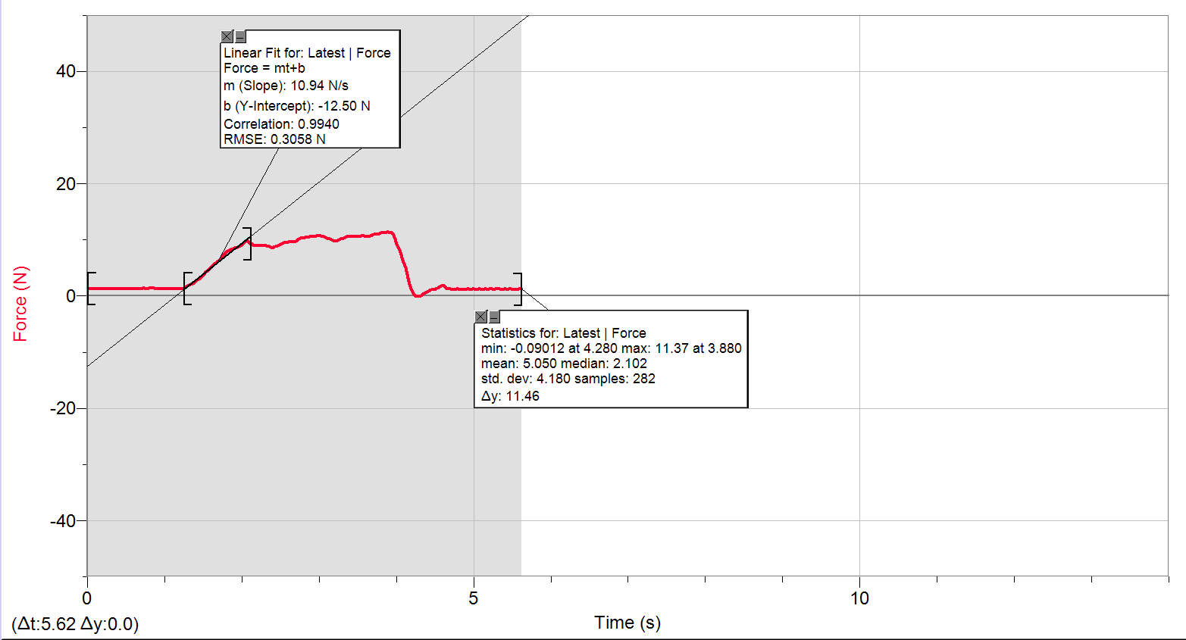
0 | 1.3186886688
0.02 | 1.2573529654
0.04 | 1.2880208171
0.06 | 1.2573529654
0.08 | 1.2573529654
0.1 | 1.2880208171
0.12 | 1.2880208171
0.14 | 1.2573529654
0.16 | 1.2880208171
0.18 | 1.2880208171
0.2 | 1.2573529654
0.22 | 1.2573529654
0.24 | 1.2880208171
0.26 | 1.2573529654
0.28 | 1.2880208171
0.3 | 1.2880208171
0.32 | 1.2573529654
0.34 | 1.2573529654
0.36 | 1.2880208171
0.38 | 1.2573529654
0.4 | 1.2880208171
0.42 | 1.2880208171
0.44 | 1.2880208171
0.46 | 1.2573529654
0.48 | 1.2880208171
0.5 | 1.2880208171
0.52 | 1.2573529654
0.54 | 1.2880208171
0.56 | 1.2573529654
0.58 | 1.2573529654
0.6 | 1.2880208171
0.62 | 1.2880208171
0.64 | 1.2573529654
0.66 | 1.2880208171
0.68 | 1.2880208171
0.7 | 1.2880208171
0.72 | 1.3512732612
0.74 | 1.3512732612
0.76 | 1.2880208171
0.78 | 1.2880208171
0.8 | 1.3512732612
...

b_plast
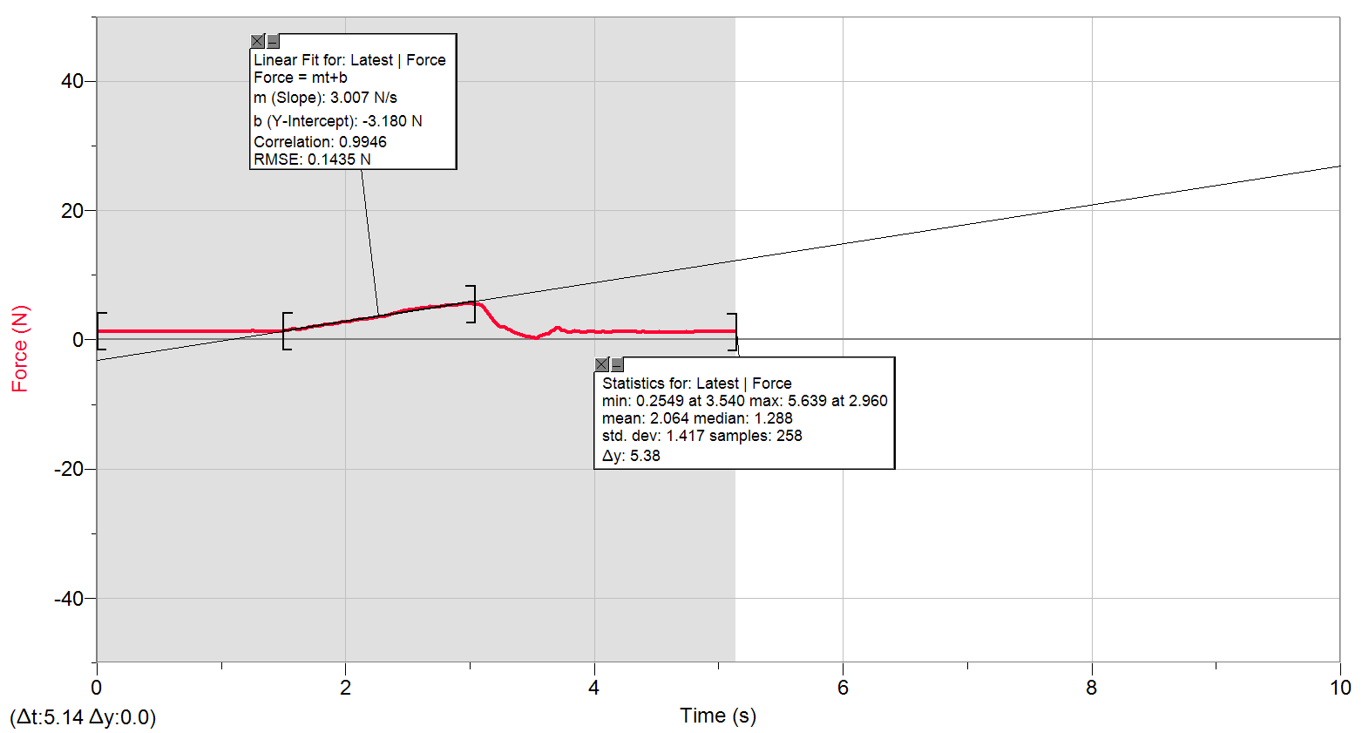
0 | 1.3512732612
0.02 | 1.2880208171
0.04 | 1.2880208171
0.06 | 1.2573529654
0.08 | 1.2880208171
0.1 | 1.2880208171
0.12 | 1.2573529654
0.14 | 1.2880208171
0.16 | 1.2880208171
0.18 | 1.2573529654
0.2 | 1.2880208171
0.22 | 1.2880208171
0.24 | 1.2573529654
0.26 | 1.2880208171
0.28 | 1.2880208171
0.3 | 1.2880208171
0.32 | 1.2880208171
0.34 | 1.2880208171
0.36 | 1.2880208171
0.38 | 1.2880208171
0.4 | 1.2880208171
0.42 | 1.2880208171
0.44 | 1.2880208171
0.46 | 1.2880208171
0.48 | 1.2880208171
0.5 | 1.2880208171
0.52 | 1.2880208171
0.54 | 1.2880208171
0.56 | 1.2880208171
0.58 | 1.2573529654
0.6 | 1.2880208171
0.62 | 1.2880208171
0.64 | 1.2573529654
0.66 | 1.2880208171
0.68 | 1.2573529654
0.7 | 1.2573529654
0.72 | 1.2880208171
0.74 | 1.2880208171
0.76 | 1.2880208171
0.78 | 1.2880208171
0.8 | 1.2880208171
...

20.1.4_a
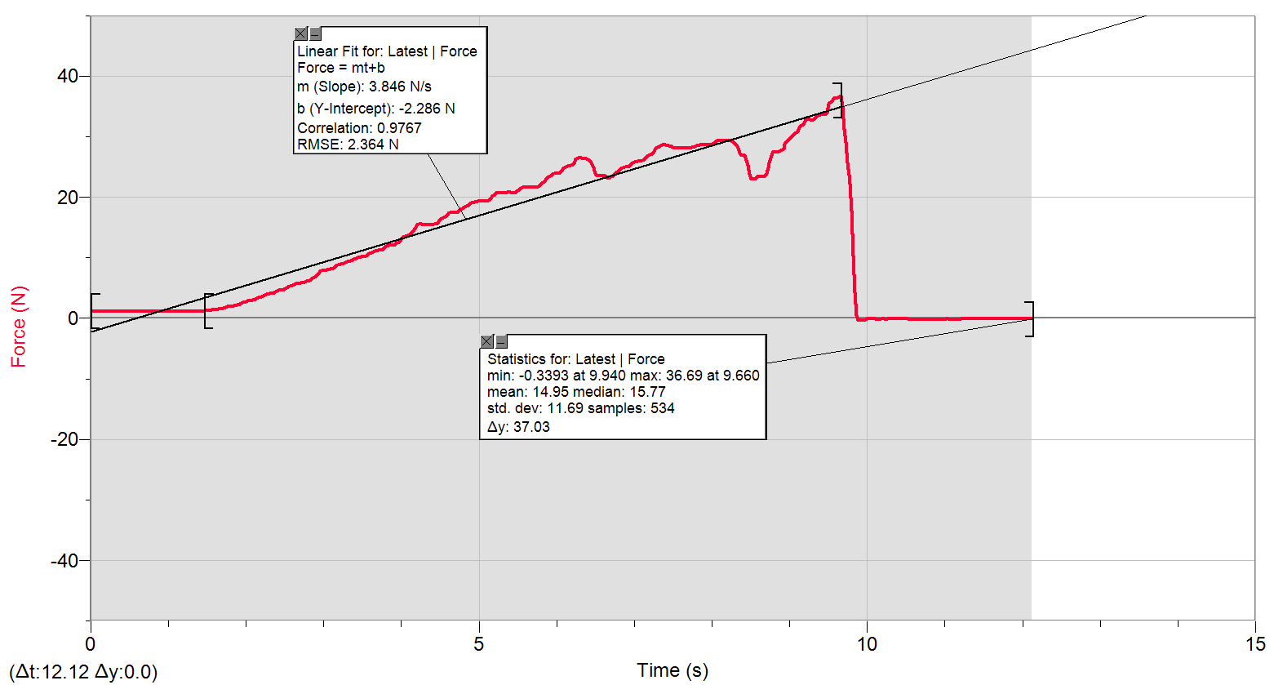
0 | 1.2573529654
0.02 | 1.1941005213
0.04 | 1.1941005213
0.06 | 1.1941005213
0.08 | 1.1941005213
0.1 | 1.1941005213
0.12 | 1.1634326696
0.14 | 1.1941005213
0.16 | 1.1634326696
0.18 | 1.1941005213
0.2 | 1.1941005213
0.22 | 1.1941005213
0.24 | 1.1941005213
0.26 | 1.1941005213
0.28 | 1.1941005213
0.3 | 1.1941005213
0.32 | 1.1941005213
0.34 | 1.1634326696
0.36 | 1.1941005213
0.38 | 1.1941005213
0.4 | 1.1941005213
0.42 | 1.1941005213
0.44 | 1.1941005213
0.46 | 1.1941005213
0.48 | 1.1941005213
0.5 | 1.1941005213
0.52 | 1.1941005213
0.54 | 1.1941005213
0.56 | 1.1941005213
0.58 | 1.1941005213
0.6 | 1.1941005213
0.62 | 1.224768373
0.64 | 1.1941005213
0.66 | 1.1941005213
0.68 | 1.1941005213
0.7 | 1.1941005213
0.72 | 1.1941005213
0.74 | 1.1941005213
0.76 | 1.1941005213
0.78 | 1.1634326696
...

20.1.4_b
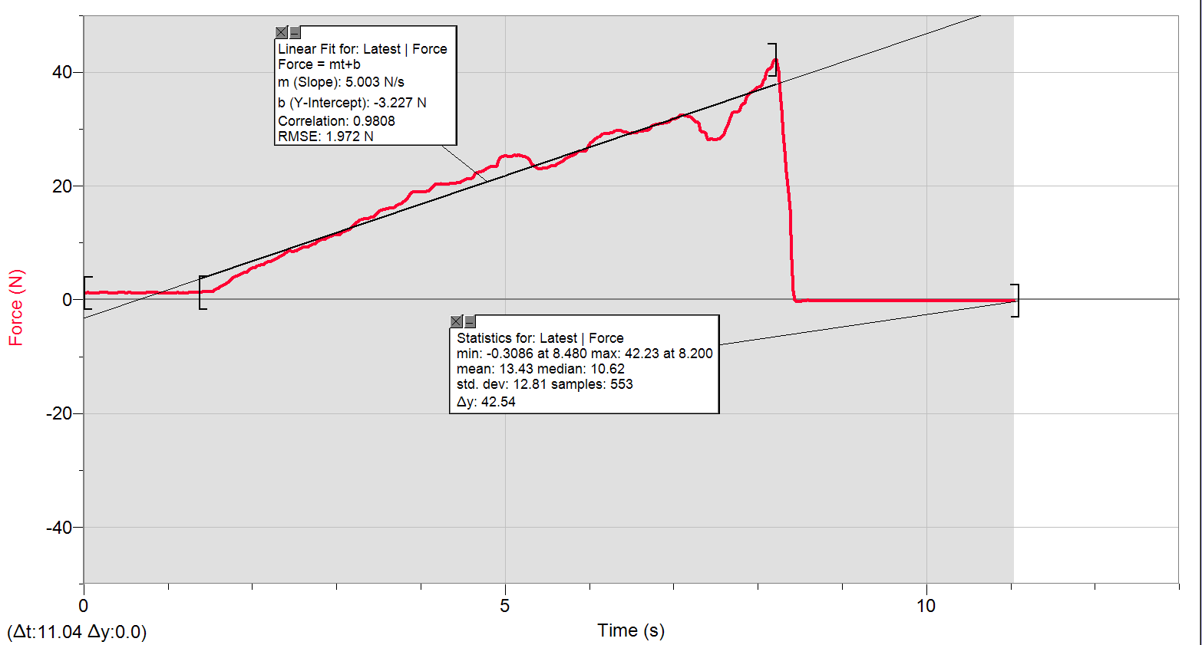
0 | 1.2573529654
0.02 | 1.1941005213
0.04 | 1.224768373
0.06 | 1.224768373
0.08 | 1.1941005213
0.1 | 1.1941005213
0.12 | 1.1941005213
0.14 | 1.1941005213
0.16 | 1.1941005213
0.18 | 1.2573529654
0.2 | 1.2573529654
0.22 | 1.2880208171
0.24 | 1.2880208171
0.26 | 1.2573529654
0.28 | 1.2573529654
0.3 | 1.1941005213
0.32 | 1.1941005213
0.34 | 1.224768373
0.36 | 1.1941005213
0.38 | 1.1941005213
0.4 | 1.2573529654
0.42 | 1.224768373
0.44 | 1.224768373
0.46 | 1.224768373
0.48 | 1.224768373
0.5 | 1.1941005213
0.52 | 1.224768373
0.54 | 1.224768373
0.56 | 1.224768373
0.58 | 1.1941005213
0.6 | 1.1941005213
0.62 | 1.1941005213
0.64 | 1.1941005213
0.66 | 1.1634326696
0.68 | 1.1941005213
0.7 | 1.1941005213
0.72 | 1.1941005213
0.74 | 1.224768373
0.76 | 1.224768373
0.78 | 1.224768373
0.8 | 1.224768373
...

